Worksheet
 | Código | Nombre |  | Precio | Su Pedido
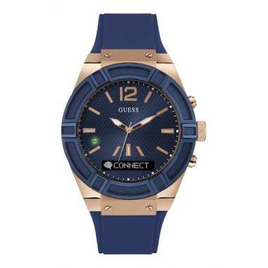 | C0001G1 | CONNECT |  | $ 271.92
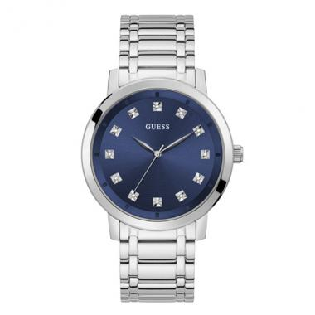 | GW0213G1 | GW0213G1 | EAN: 091661517129,91661517129 | $ 165.97
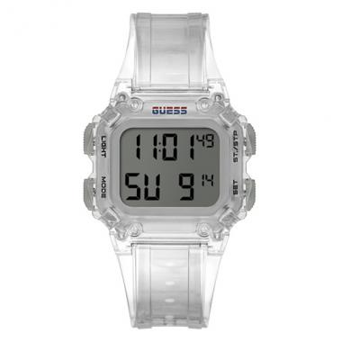 | GW0270G1 | GW0270G1 | EAN: 091661520754,91661520754,091661520754,91661520754 | $ 61.16
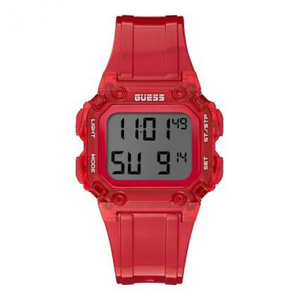 | GW0270G2 | GW0270G2 | EAN: 091661520747,91661520747,091661520747,91661520747 | $ 61.16
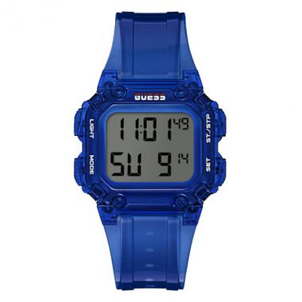 | GW0270G3 | GW0270G3 | EAN: 091661520730,91661520730,091661520730,91661520730 | $ 61.16
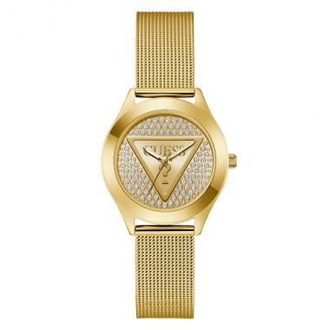 | GW0835L2 | GW0835L2 | EAN: 91661547300 | $ 98.41
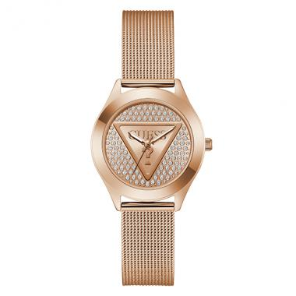 | GW0835L3 | GW0835L3 | EAN: 91661547034 | $ 107.03
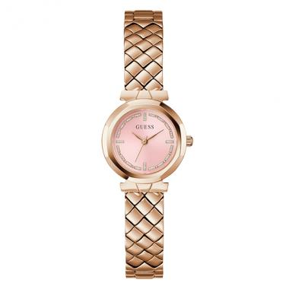 | GW0839L3 | GW0839L3 | EAN: 91661547003 | $ 107.03
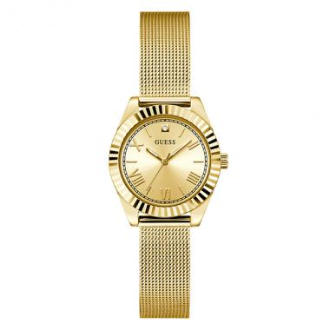 | GW0842L2 | GW0842L2 | EAN: 91661547331 | $ 98.41
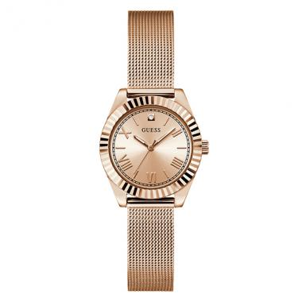 | GW0842L3 | GW0842L3 | EAN: 91661547225 | $ 103.42
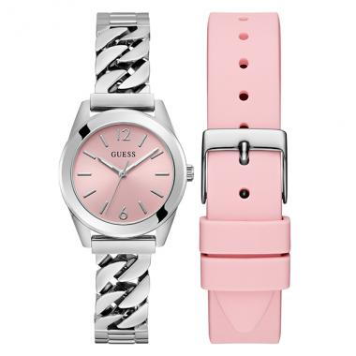 | GW0845L1 | GW0845L1 | EAN: 91661547195 | $ 107.03
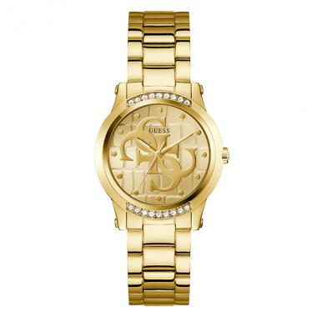 | GW0861L2 | GW0861L2 | EAN: 91661560422 | $ 90.35
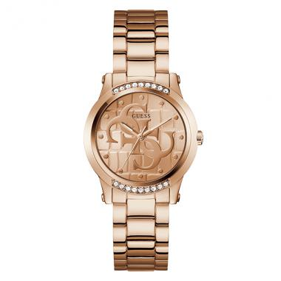 | GW0861L3 | GW0861L3 | EAN: 91661560415 | $ 99.80
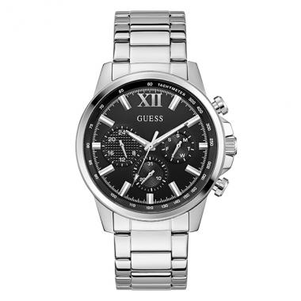 | GW0900G1 | GW0900G1 | EAN: 91661547386 | $ 98.41
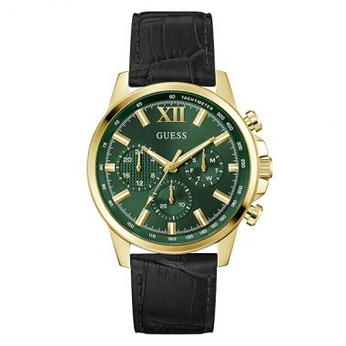 | GW0901G4 | GW0901G4 | EAN: 91661564239 | $ 103.42
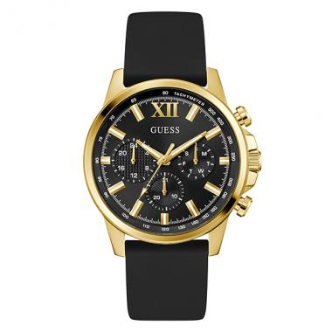 | GW0913G2 | GW0913G2 | EAN: 91661560286 | $ 87.01
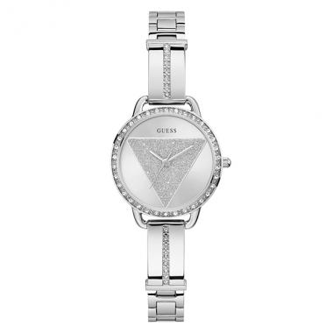 | GW0914L1 | GW0914L1 | EAN: 91661560408 | $ 83.68
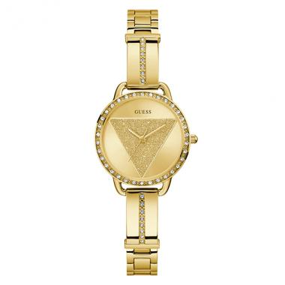 | GW0914L2 | GW0914L2 | EAN: 91661560392 | $ 99.80
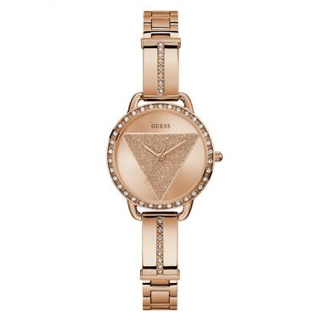 | GW0914L3 | GW0914L3 | EAN: 91661560224 | $ 107.03
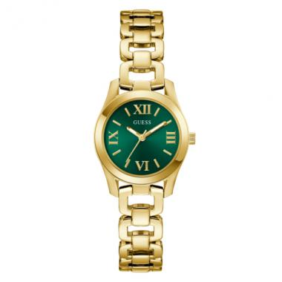 | GW0927L2 | GW0927L2 | EAN: 91661586088 | $ 113.42
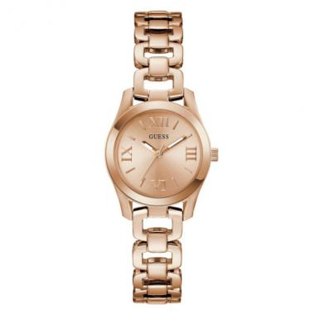 | GW0927L4 | GW0927L4 | EAN: 91661581090 | $ 119.26
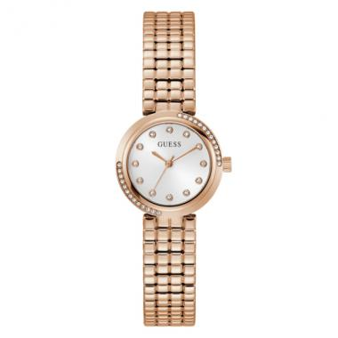 | GW0930L3 | GW0930L3 | EAN: 91661581335 | $ 113.42
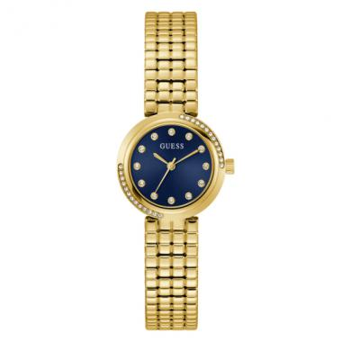 | GW0930L4 | GW0930L4 | EAN: 91661586118 | $ 107.03
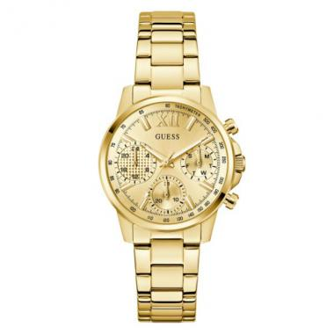 | GW0933L2 | GW0933L2 | EAN: 91661581052 | $ 119.26
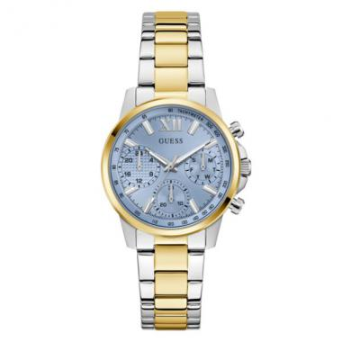 | GW0933L3 | GW0933L3 | EAN: 91661581021 | $ 119.26
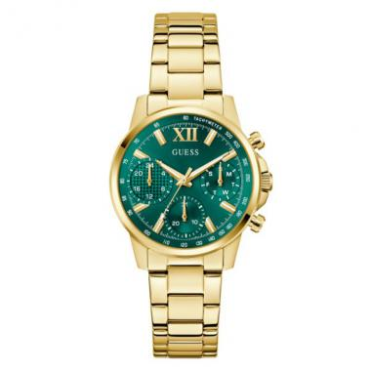 | GW0933L6 | GW0933L6 | EAN: 91661586033 | $ 119.26
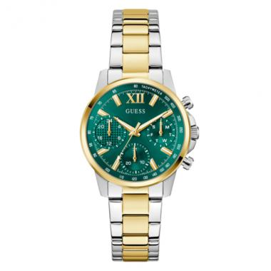 | GW0933L7 | GW0933L7 | EAN: 91661586026 | $ 119.26
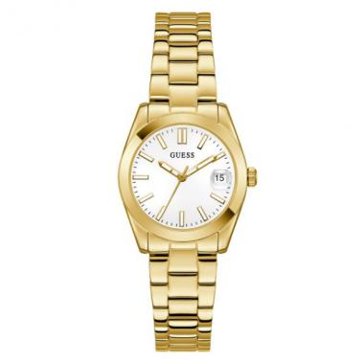 | GW0934L2 | GW0934L2 | EAN: 91661586057 | $ 103.42
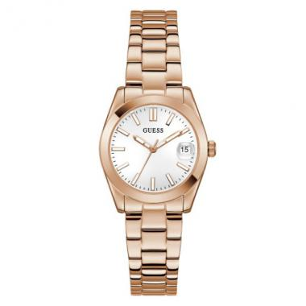 | GW0934L4 | GW0934L4 | EAN: 91661581076 | $ 109.53
 | GW0942L2 | GW0942L2 | EAN: 91661581786 | $ 80.34
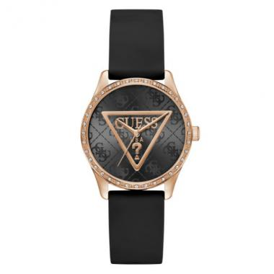 | GW0942L3 | GW0942L3 | EAN: 91661580741 | $ 87.01
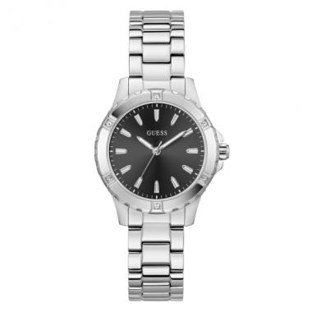 | GW0948L1 | GW0948L1 | EAN: 91661580956 | $ 77.28
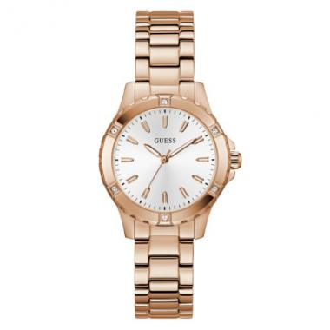 | GW0948L5 | GW0948L5 | EAN: 91661586828 | $ 98.41
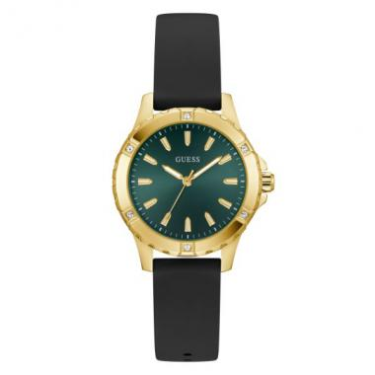 | GW0949L2 | GW0949L2 | EAN: 91661580949 | $ 74.78
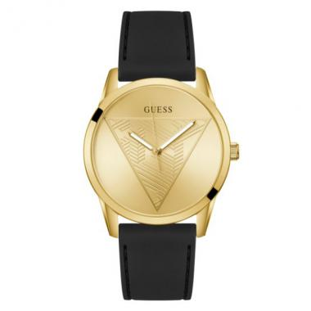 | GW0957G2 | GW0957G2 | EAN: 91661581625 | $ 70.61
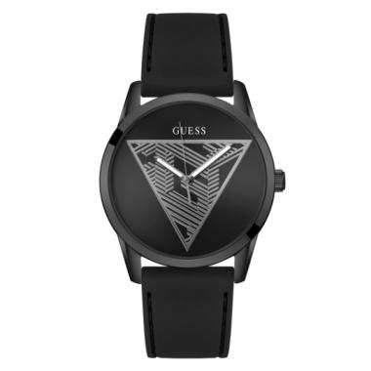 | GW0957G3 | GW0957G3 | EAN: 91661586231 | $ 70.61
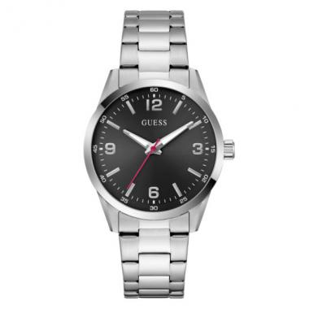 | GW0965G1 | GW0965G1 | EAN: 91661581748 | $ 83.68
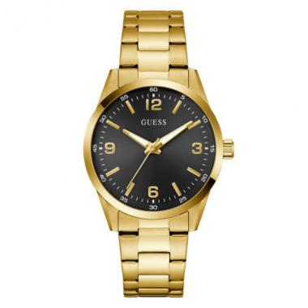 | GW0965G2 | GW0965G2 | EAN: 91661580338 | $ 99.80
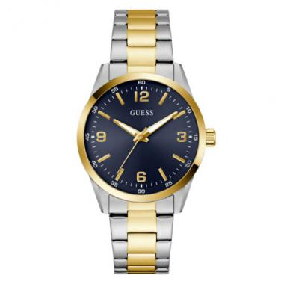 | GW0965G4 | GW0965G4 | EAN: 91661580321 | $ 99.80
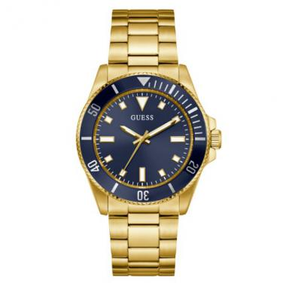 | GW0968G2 | GW0968G2 | EAN: 91661580390 | $ 119.26
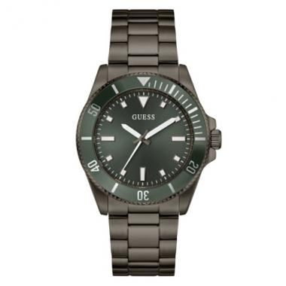 | GW0968G3 | GW0968G3 | EAN: 91661580383 | $ 119.26
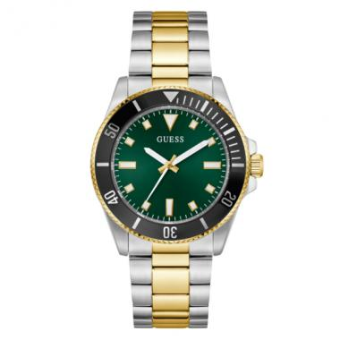 | GW0968G4 | GW0968G4 | EAN: 91661580376 | $ 119.26
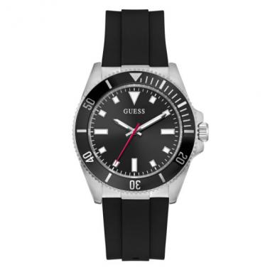 | GW0969G1 | GW0969G1 | EAN: 91661580475 | $ 93.41
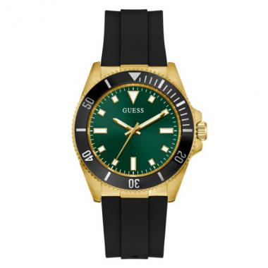 | GW0969G2 | GW0969G2 | EAN: 91661580468 | $ 99.80
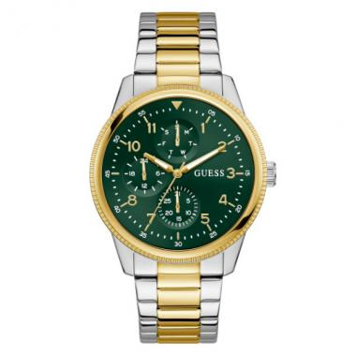 | GW0970G4 | GW0970G4 | EAN: 91661580314 | $ 119.26
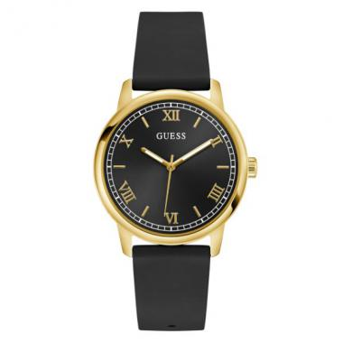 | GW0973G2 | GW0973G2 | EAN: 91661580673 | $ 67.55
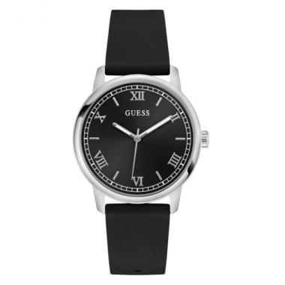 | GW0973G5 | GW0973G5 | EAN: 91661586675 | $ 64.22
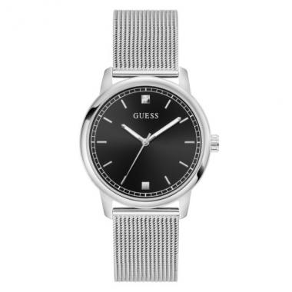 | GW0974G1 | GW0974G1 | EAN: 91661580659 | $ 80.34
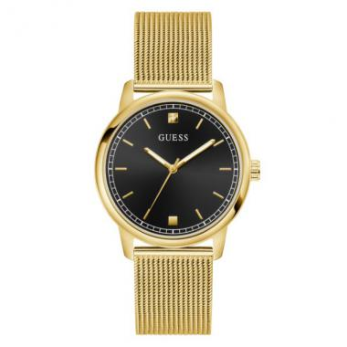 | GW0974G2 | GW0974G2 | EAN: 91661581762 | $ 93.41
 | GW0987L1 | GW0987L1 | EAN: 91661586736 | $ 87.01
 | GW0987L2 | GW0987L2 | EAN: 91661586446 | $ 99.80
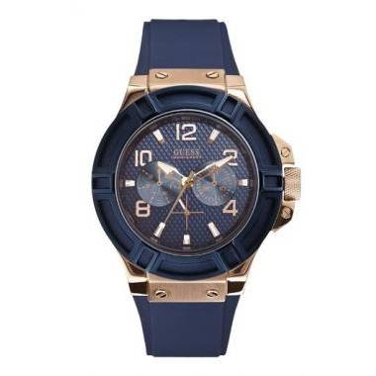 | W0247G3 | RIGOR | EAN: 091661430770,91661430770,091661430770,91661430770 | $ 121.13
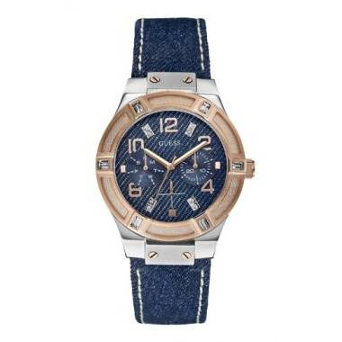 | W0289L1 | JET SETTER | EAN: 091661433535,91661433535,091661433535,91661433535 | $ 121.13
 | W0595G3 | RADAR | EAN: 91661449635 | $ 101.66
 | W0674G2 | FORCE | EAN: 091661452802,91661452802,091661452802,91661452802 | $ 121.13
 | W0822L2 | DAMA Análogo C: Acero Inoxidable Dorada E: Negra/Dorada 30 | EAN: 91661463457 | $ 121.13
 | W0847L1 | DAMA Análogo C: Acero Inoxidable Azúl/Gris E: Azul/Gris 50 | EAN: 91661463587 | $ 171.96
 | W0942L5 | DAMA ANÁLOGO C: SILICONA AZUL E: BLANCO 30m | EAN: 91661478307 | $ 64.27
 | W0944L2 | DAMA ANÁLOGO C: RESINA AZUL E: COMBINADA 30m |  | $ 107.12

