Worksheet
 | Código | Nombre |  | Precio | Su Pedido
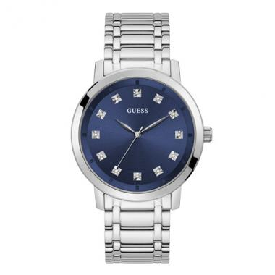 | GW0213G1 | GW0213G1 | EAN: 091661517129,91661517129 | $ 110.45
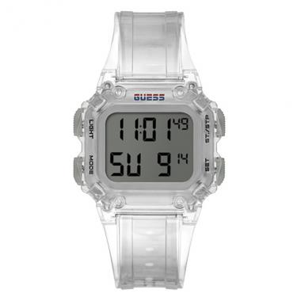 | GW0270G1 | GW0270G1 | EAN: 091661520754,91661520754,091661520754,91661520754 | $ 40.70
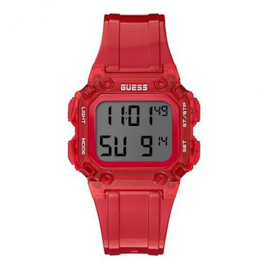 | GW0270G2 | GW0270G2 | EAN: 091661520747,91661520747,091661520747,91661520747 | $ 40.70
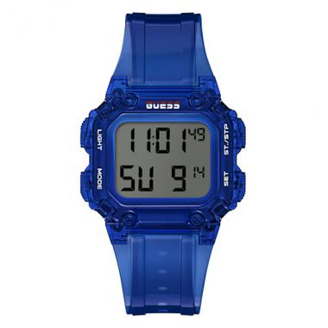 | GW0270G3 | GW0270G3 | EAN: 091661520730,91661520730,091661520730,91661520730 | $ 40.70
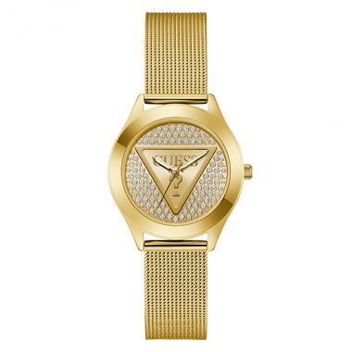 | GW0835L2 | GW0835L2 | EAN: 91661547300 | $ 65.49
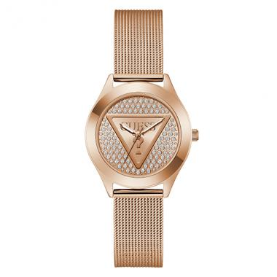 | GW0835L3 | GW0835L3 | EAN: 91661547034 | $ 71.23
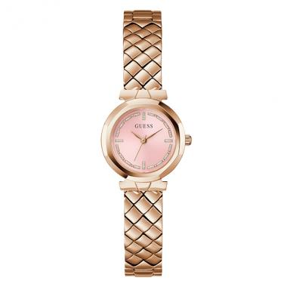 | GW0839L3 | GW0839L3 | EAN: 91661547003 | $ 71.23
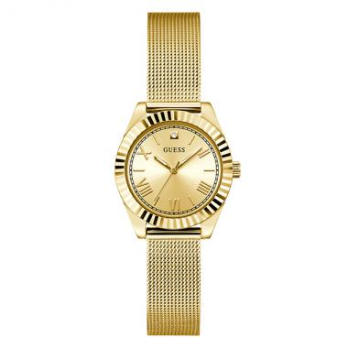 | GW0842L2 | GW0842L2 | EAN: 91661547331 | $ 65.49
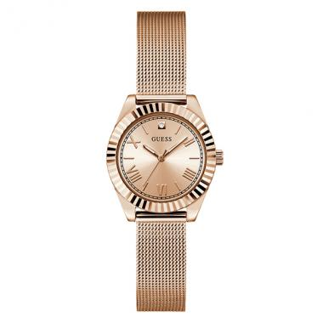 | GW0842L3 | GW0842L3 | EAN: 91661547225 | $ 68.82
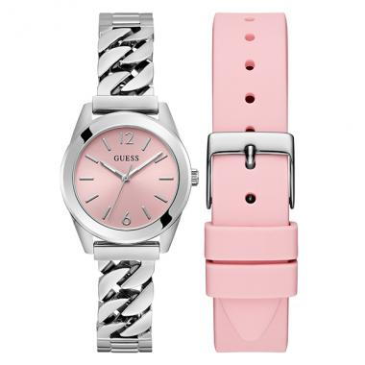 | GW0845L1 | GW0845L1 | EAN: 91661547195 | $ 71.23
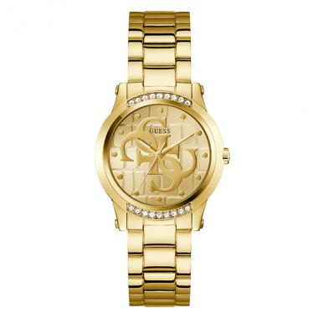 | GW0861L2 | GW0861L2 | EAN: 91661560422 | $ 60.12
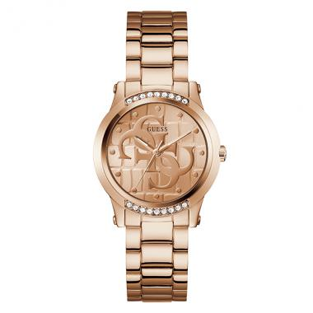 | GW0861L3 | GW0861L3 | EAN: 91661560415 | $ 66.42
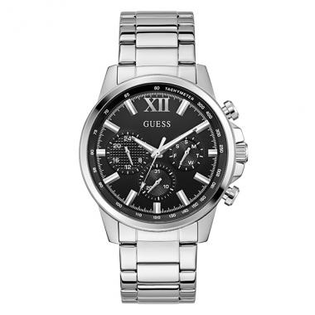 | GW0900G1 | GW0900G1 | EAN: 91661547386 | $ 65.49
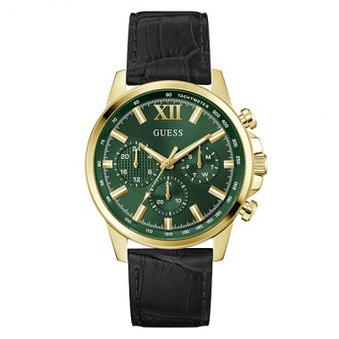 | GW0901G4 | GW0901G4 | EAN: 91661564239 | $ 68.82
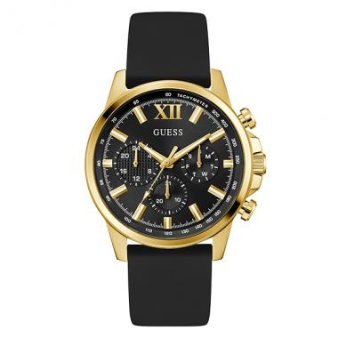 | GW0913G2 | GW0913G2 | EAN: 91661560286 | $ 57.91
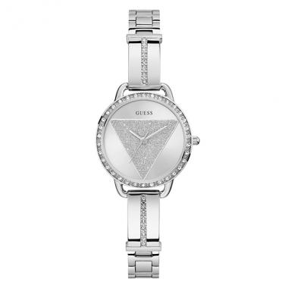 | GW0914L1 | GW0914L1 | EAN: 91661560408 | $ 55.69
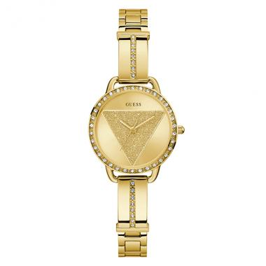 | GW0914L2 | GW0914L2 | EAN: 91661560392 | $ 66.42
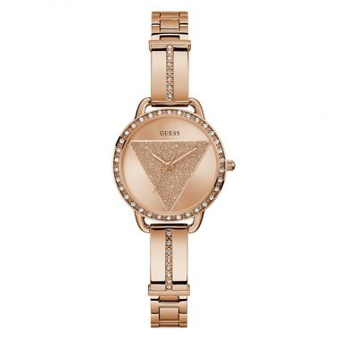 | GW0914L3 | GW0914L3 | EAN: 91661560224 | $ 71.23
 | GW0927L2 | GW0927L2 | EAN: 91661586088 | $ 75.48
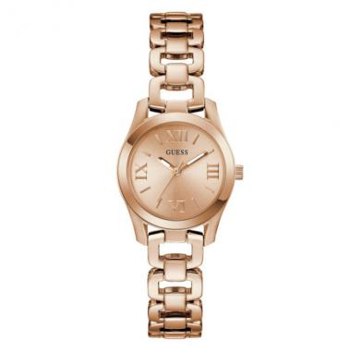 | GW0927L4 | GW0927L4 | EAN: 91661581090 | $ 79.36
 | GW0930L3 | GW0930L3 | EAN: 91661581335 | $ 75.48
 | GW0930L4 | GW0930L4 | EAN: 91661586118 | $ 71.23
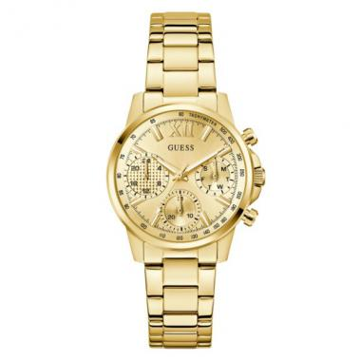 | GW0933L2 | GW0933L2 | EAN: 91661581052 | $ 79.36
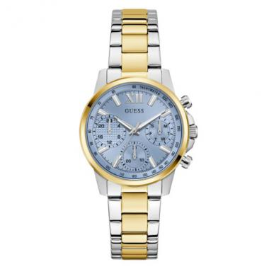 | GW0933L3 | GW0933L3 | EAN: 91661581021 | $ 79.36
 | GW0933L6 | GW0933L6 | EAN: 91661586033 | $ 79.36
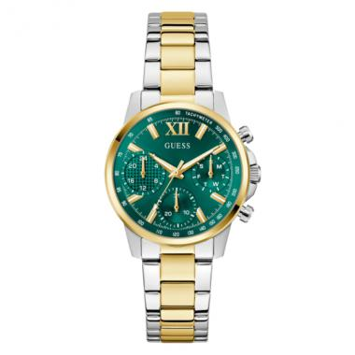 | GW0933L7 | GW0933L7 | EAN: 91661586026 | $ 79.36
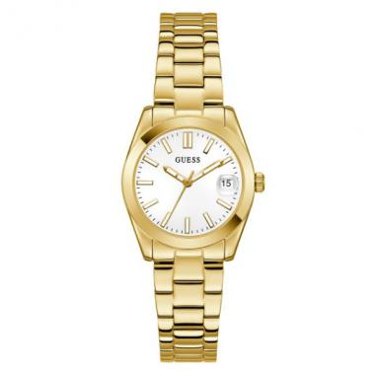 | GW0934L2 | GW0934L2 | EAN: 91661586057 | $ 68.82
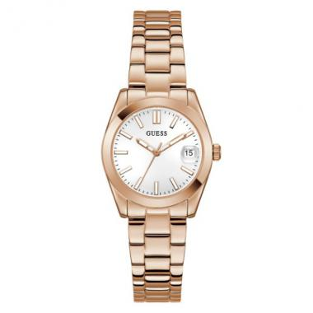 | GW0934L4 | GW0934L4 | EAN: 91661581076 | $ 72.89
 | GW0942L2 | GW0942L2 | EAN: 91661581786 | $ 53.47
 | GW0942L3 | GW0942L3 | EAN: 91661580741 | $ 57.91
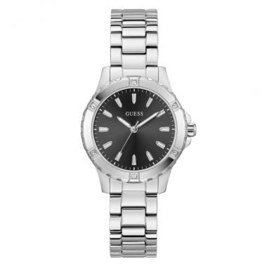 | GW0948L1 | GW0948L1 | EAN: 91661580956 | $ 51.43
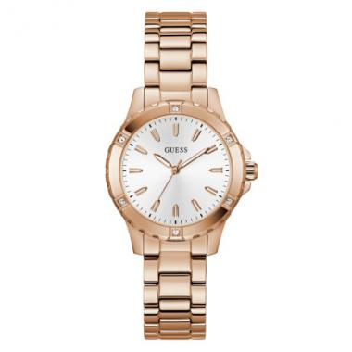 | GW0948L5 | GW0948L5 | EAN: 91661586828 | $ 65.49
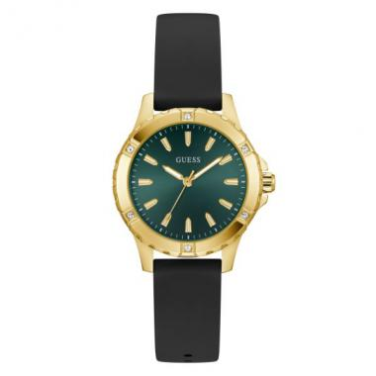 | GW0949L2 | GW0949L2 | EAN: 91661580949 | $ 49.77
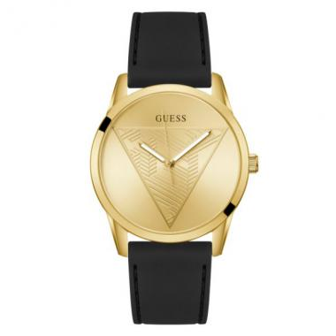 | GW0957G2 | GW0957G2 | EAN: 91661581625 | $ 46.99
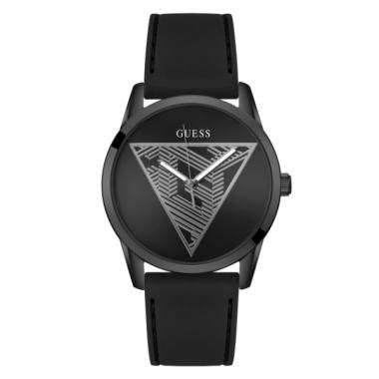 | GW0957G3 | GW0957G3 | EAN: 91661586231 | $ 46.99
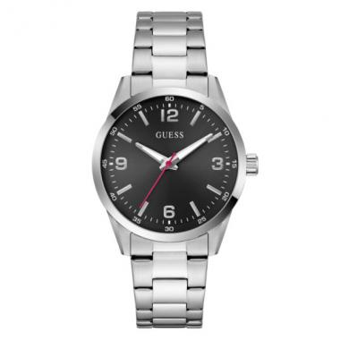 | GW0965G1 | GW0965G1 | EAN: 91661581748 | $ 55.69
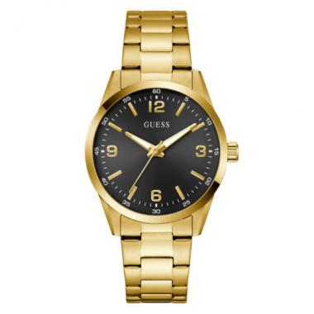 | GW0965G2 | GW0965G2 | EAN: 91661580338 | $ 66.42
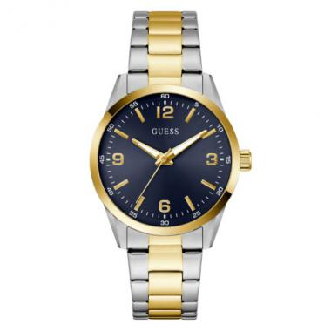 | GW0965G4 | GW0965G4 | EAN: 91661580321 | $ 66.42
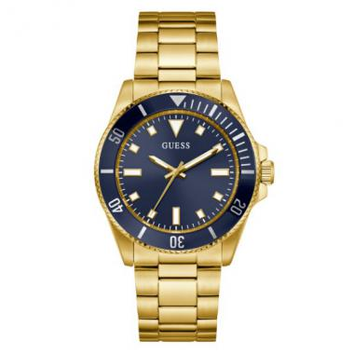 | GW0968G2 | GW0968G2 | EAN: 91661580390 | $ 79.36
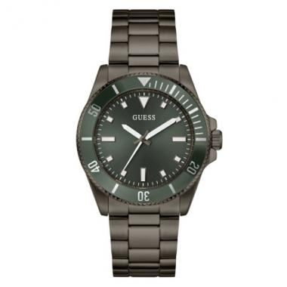 | GW0968G3 | GW0968G3 | EAN: 91661580383 | $ 79.36
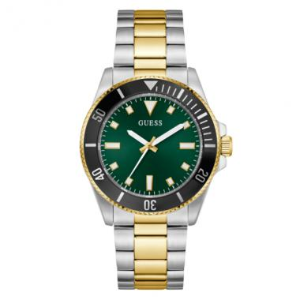 | GW0968G4 | GW0968G4 | EAN: 91661580376 | $ 79.36
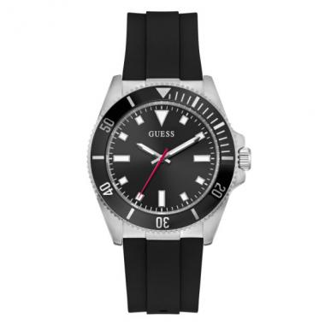 | GW0969G1 | GW0969G1 | EAN: 91661580475 | $ 62.16
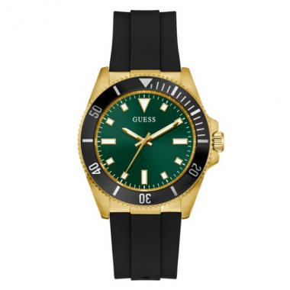 | GW0969G2 | GW0969G2 | EAN: 91661580468 | $ 66.42
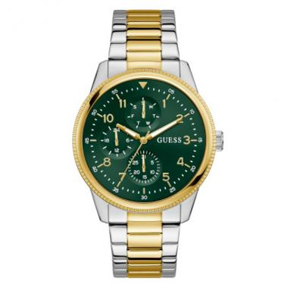 | GW0970G4 | GW0970G4 | EAN: 91661580314 | $ 79.36
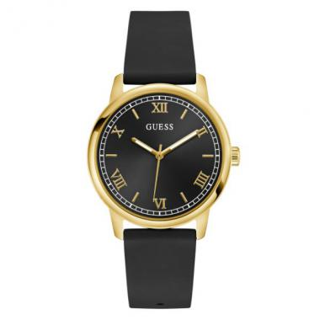 | GW0973G2 | GW0973G2 | EAN: 91661580673 | $ 44.96
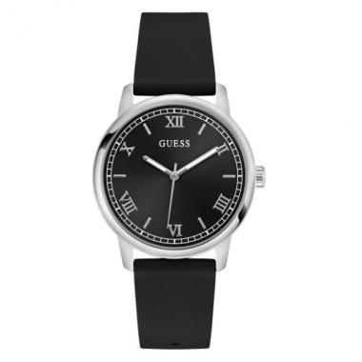 | GW0973G5 | GW0973G5 | EAN: 91661586675 | $ 42.74
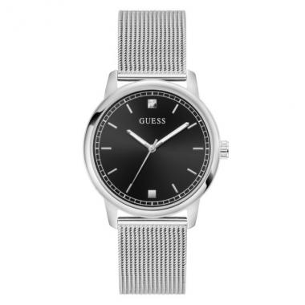 | GW0974G1 | GW0974G1 | EAN: 91661580659 | $ 53.47
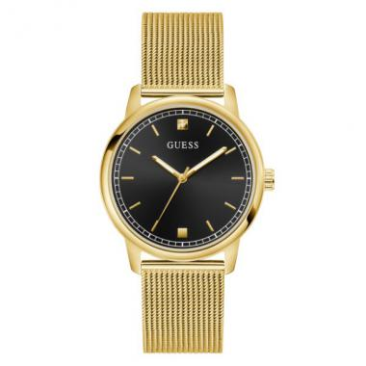 | GW0974G2 | GW0974G2 | EAN: 91661581762 | $ 62.16
 | GW0987L1 | GW0987L1 | EAN: 91661586736 | $ 57.91
 | GW0987L2 | GW0987L2 | EAN: 91661586446 | $ 66.42

