Worksheet
 | Código | Nombre |  | Precio | Su Pedido
 | GA-700-1ADR | ANÁLOGO DIGITAL C: RESINA NEGRO E: NEGRO 200m | EAN: 4549526146684 | $ 116.05
 | GA-700-1BDR | ANÁLOGO DIGITAL C: RESINA NEGRO E: NEGRO 200m | EAN: 4549526147684 | $ 116.05
 | GWG-1000GB-1ADR | C: E: |  | $ 830.59
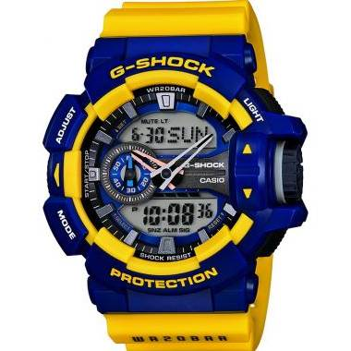 | GA-400-9BDR | CABALLERO ANÁLOGO DIGITAL C: RESINA AMARILLA E: AZÚL Y AMARILLA 200 m |  | $ 153.69
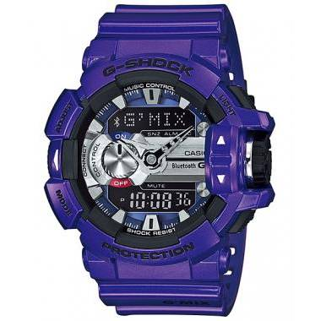 | GBA-400-2ADR | CABALLERO ANÁLOGO DIGITAL C: RESINA AZÚL E: AZÚL Y GRIS 200 m |  | $ 219.54
 | GA-200GD-9BDR | CABALLERO ANÁLOGO DIGITAL C: RESINA COBRE E: COBRE 200 m |  | $ 219.54
 | GA-110CS-4ADR | CABALLERO ANÁLOGO DIGITAL C: RESINA DORADA E: ROJA Y DORADA 200 m |  | $ 156.82
 | GA-200GD-9B2DR | CABALLERO ANÁLOGO DIGITAL C: RESINA NEGRA E: DORADA 200 m |  | $ 219.54
 | GA-110-1ADR | CABALLERO ANÁLOGO DIGITAL C: RESINA NEGRA E: GRIS 200 m |  | $ 151.67
 | GA-100-1A1HDR | CABALLERO ANÁLOGO DIGITAL C: RESINA NEGRA E: NEGRA 200 m |  | $ 138.26
 | GA-100-1A4DR | CABALLERO ANÁLOGO DIGITAL C: RESINA NEGRA E: NEGRA Y ROJA 200 m |  | $ 138.26
 | GA-400-2ADR | CABALLERO ANÁLOGO DIGITAL C: RESINA VERDE E: AZÚL, VERDE Y ROJA 200 m |  | $ 153.69
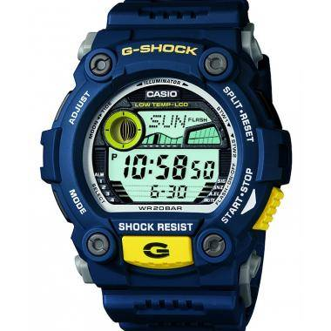 | G-7900-2DR | CABALLERO DIGITAL C: RESINA AZÚL E: AZÚL 200 m |  | $ 131.37
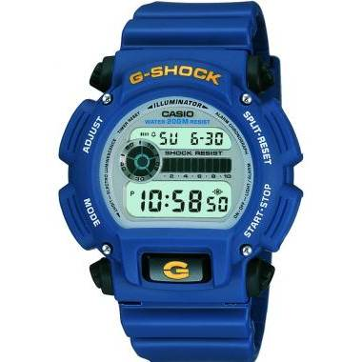 | DW-9052-2VHDR | CABALLERO DIGITAL C: RESINA AZÚL E: AZÚL 200 m |  | $ 71.88
 | GD-100-1ADR | CABALLERO DIGITAL C: RESINA NEGRA E: GRIS 200 m |  | $ 112.11
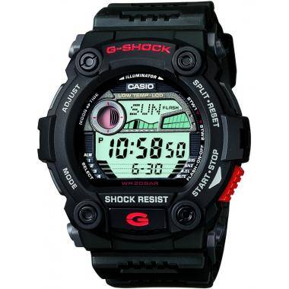 | G-7900-1DR | CABALLERO DIGITAL C: RESINA NEGRA E: NEGRA 200 m |  | $ 131.37
 | G-7900-3DR | CABALLERO DIGITAL C: RESINA NEGRA E: NEGRA 200 m |  | $ 131.37
 | DW-6900AC-2DR | CABALLERO DIGITAL C: RESINA ROJA E: AZÚL 200 m |  | $ 129.47
 | GA-110HR-1ADR | G-SHOCK | EAN: 4549526135972 | $ 173.04
 | GA-140-1A1DR | GA-140-1A1DR | EAN: 4549526235542 | $ 130.35
 | GA-140-1A4DR | GA-140-1A4DR | EAN: 4549526235597 | $ 130.35
 | GA-400HR-1ADR | GA-400HR-1ADR | EAN: 4549526136078 | $ 149.20
 | DW-5600AI-1DR | DW-5600AI-1DR | EAN: 4549526374371 | $ 175.89
 | DW-5750UE-1DR | DW-5750UE-1DR | EAN: 4549526368356 | $ 120.00
 | GA-100MF-1ADR | GA-100MF-1ADR | EAN: 4549526375767 | $ 145.50
 | GA-100RGB-1ADR | GA-100RGB-1ADR | EAN: 4549526346460 | $ 156.00
 | GA-100TU-1A3DR | GA-100TU-1A3DR | EAN: 4549526379383 | $ 147.60
 | GA-110-1AHDR | GA-110-1AHDR | EAN: 4971850935537 | $ 152.25
 | GA-2100-2A2DR | GA-2100-2A2DR | EAN: 4549526370205 | $ 116.00
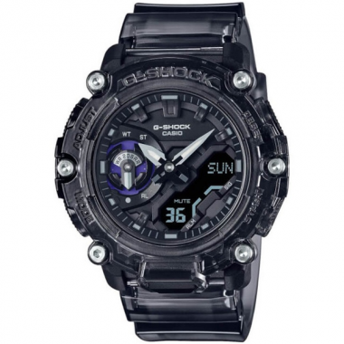 | GA-2200SKL-8ADR | GA-2200SKL-8ADR | EAN: 4549526318931 | $ 153.00
 | GA-400-1BHDR | GA-400-1BHDR | EAN: 4971850084761 | $ 154.35
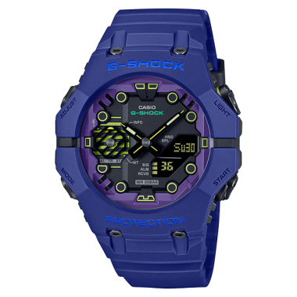 | GA-B001CBR-2ADR | GA-B001CBR-2ADR | EAN: 4549526372513 | $ 150.75
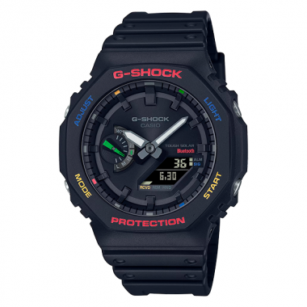 | GA-B2100FC-1ADR | GA-B2100FC-1ADR | EAN: 4549526363214 | $ 192.00
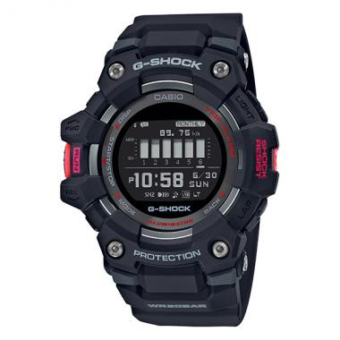 | GBD-100-1DR | GBD-100-1DR | EAN: 4 549526 268212 | $ 171.00
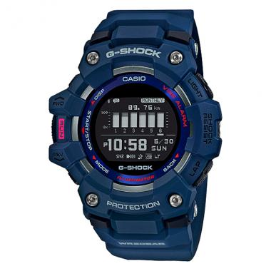 | GBD-100-2DR | GBD-100-2DR | EAN: 4549526268267 | $ 171.00
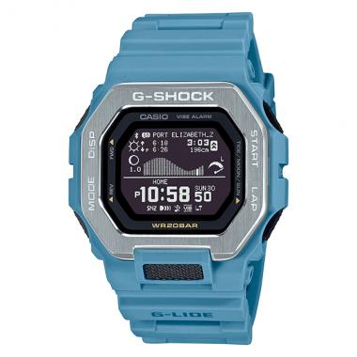 | GBX-100-2ADR | GBX-100-2ADR | EAN: 4549526377099 | $ 184.50
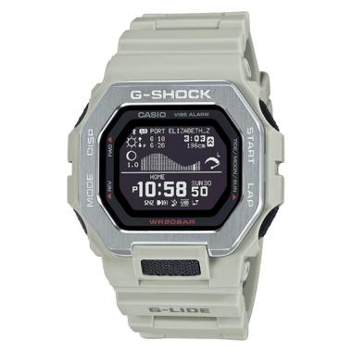 | GBX-100-8DR | GBX-100-8DR | EAN: 4549526377143 | $ 184.50
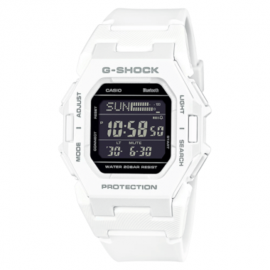 | GD-B500-7DR | GD-B500-7DR | EAN: 4549526373756 | $ 145.50
 | GLX-S5600-2DR | GLX-S5600-2DR | EAN: 4549526376993 | $ 116.85
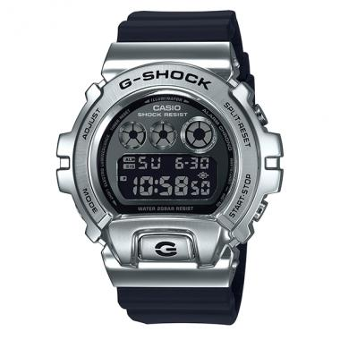 | GM-6900-1DR | GM-6900-1DR | EAN: 4 549526 252143 | $ 225.00
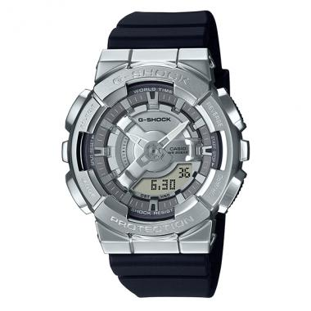 | GM-S110-1ADR | GM-S110-1ADR | EAN: 4549526335228 | $ 217.35
 | GM-S110PG-1ADR | GM-S110PG-1ADR | EAN: 4549526330117 | $ 236.25
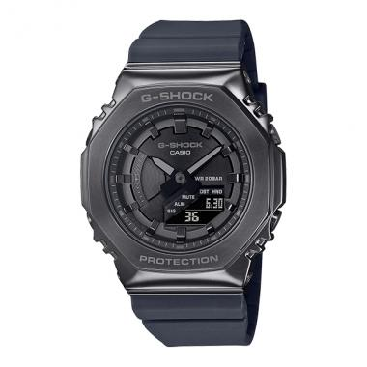 | GM-S2100B-8ADR | GM-S2100B-8ADR | EAN: 4549526306976 | $ 240.00
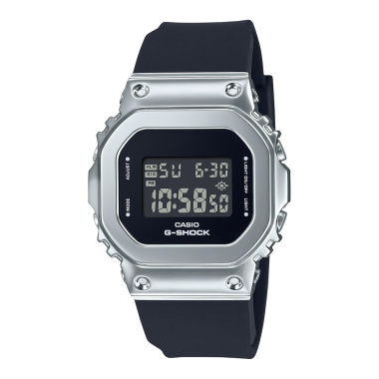 | GM-S5600-1DR | GM-S5600-1DR | EAN: 4549526279058 | $ 207.00
 | GMA-S110VW-4ADR | GMA-S110VW-4ADR | EAN: 4549526371981 | $ 188.85
 | GMA-S110VW-6ADR | GMA-S110VW-6ADR | EAN: 4549526372032 | $ 188.85
 | GMA-S2100-1ADR | GMA-S2100-1ADR | EAN: 4549526300264 | $ 120.00
 | GMW-B5000MB-1DR | GMW-B5000MB-1DR | EAN: 4549526317200 | $ 708.00
 | DW-5000R-1ADR | DW-5000R-1ADR | EAN: 4549526398285 | $ 243.00
 | DW-6900TR-1DR | DW-6900TR-1DR | EAN: 4549526396564 | $ 138.45
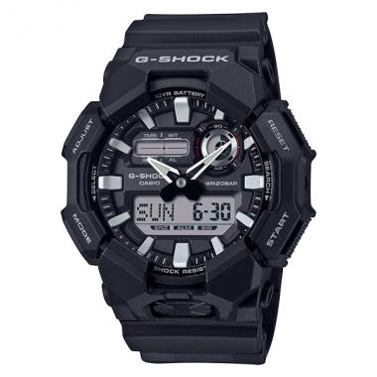 | GA-010-1ADR | GA-010-1ADR | EAN: 4549526384080 | $ 138.45
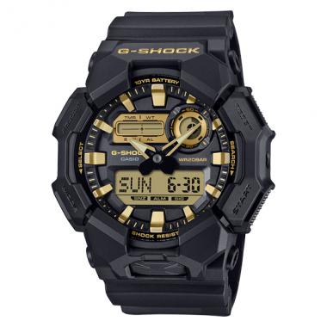 | GA-010GB-1A9DR | GA-010GB-1A9DR | EAN: 4549526407932 | $ 151.20
 | GA-110TU-1A5DR | GA-110TU-1A5DR | EAN: 4549526379437 | $ 166.05
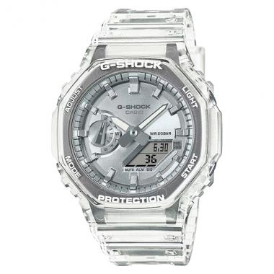 | GA-2100BM-7A8DR | GA-2100BM-7A8DR | EAN: 10,4549526399794 | $ 145.50
 | GA-2300-8ADR | GA-2300-8ADR | EAN: 10,4549526372766 | $ 145.50
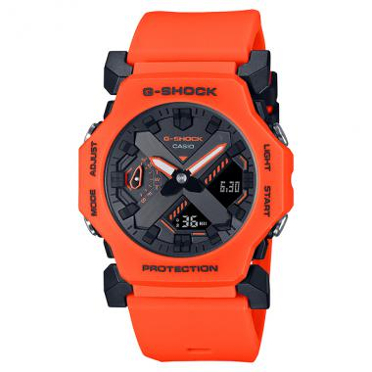 | GA-2300FL-4ADR | GA-2300FL-4ADR | EAN: 4549526391170 | $ 156.90
 | GA-700BBR-1ADR | GA-700BBR-1ADR | EAN: 4549526401329 | $ 125.40
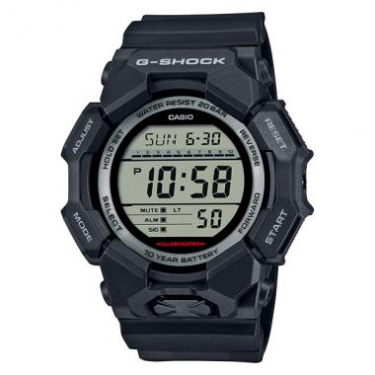 | GD-010-1DR | GD-010-1DR | EAN: 4549526382178 | $ 126.15
 | GD-010-3DR | GD-010-3DR | EAN: 4549526382222 | $ 126.15
 | GD-010BBR-1DR | GD-010BBR-1DR | EAN: 4549526400681 | $ 126.15
 | GD-010GB-1A9DR | GD-010GB-1A9DR | EAN: 4549526407017 | $ 138.60
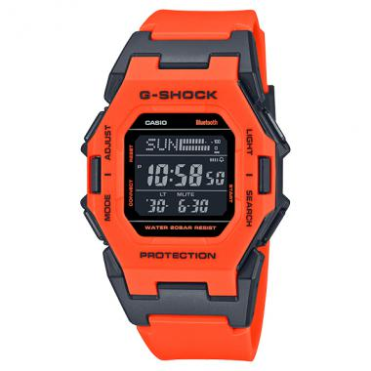 | GD-B500FL-4DR | GD-B500FL-4DR | EAN: 4549526389986 | $ 156.90
 | GMA-P2100PC-1ADR | GMA-P2100PC-1ADR | EAN: 4549526401794 | $ 146.25
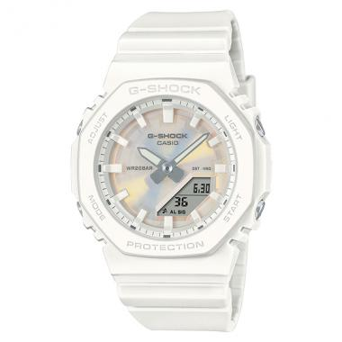 | GMA-P2100PC-7ADR | GMA-P2100PC-7ADR | EAN: 4549526401893 | $ 146.25
 | GMA-P2100PP-4ADR | GMA-P2100PP-4ADR | EAN: 4549526399527 | $ 146.25
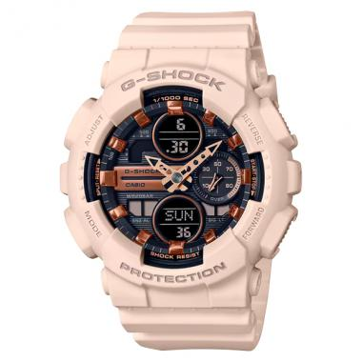 | GMA-S140M-4ADR | GMA-S140M-4ADR | EAN: 10,4549526279775 | $ 137.10
 | GMD-S5610PP-4DR | GMD-S5610PP-4DR | EAN: 4549526398360 | $ 115.80

