Worksheet
 | Código | Nombre |  | Precio | Su Pedido
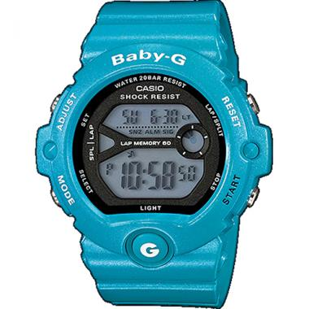 | BG-6903-2DR | BG-6903-2DR |  | $ 113.07
 | BA-120-2BDR | DAMA ANÁLOGO DIGITAL C: RESINA CELESTE E: AMARILLA Y GRIS 100 m |  | $ 150.54
 | BA-112-4ADR | DAMA ANÁLOGO DIGITAL C: RESINA FUCSIA E: VERDE Y VIOLETA 100 m |  | $ 155.07
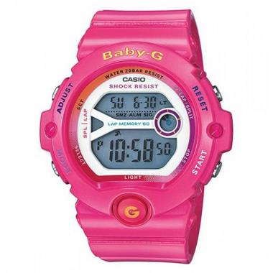 | BG-6903-4BDR | DIGITAL C: RESINA ROSADO E: ROSADO 200m |  | $ 119.18
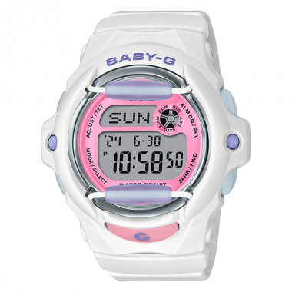 | BG-169PB-7DR | BG-169PB-7DR | EAN: 4549526352041 | $ 95.70
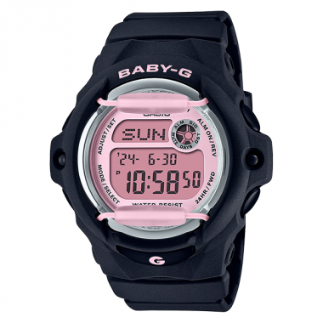 | BG-169U-1CDR | BG-169U-1CDR | EAN: 4549526347849 | $ 95.70
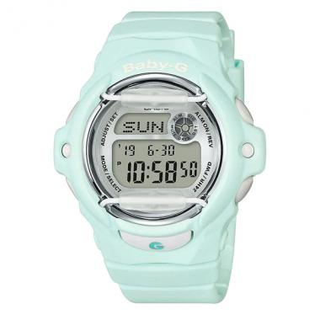 | BG-169U-3DR | BG-169U-3DR | EAN: 4549526347993 | $ 95.70
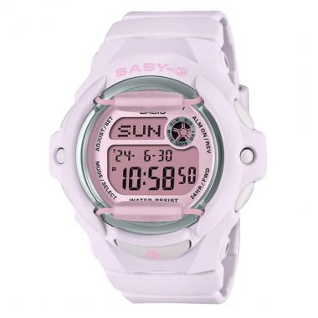 | BG-169U-4BDR | BG-169U-4BDR | EAN: 4549526348044 | $ 95.70
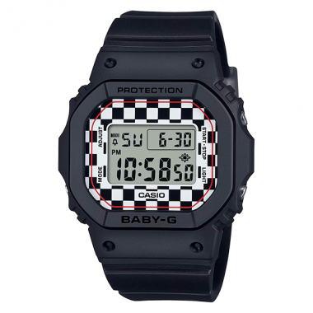 | BGD-565GS-1DR | BGD-565GS-1DR | EAN: 4549526371011 | $ 103.50
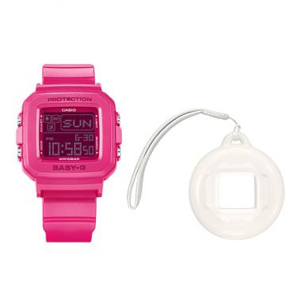 | BGD-10K-4DR | BGD-10K-4DR | EAN: 4549526374791 | $ 85.20
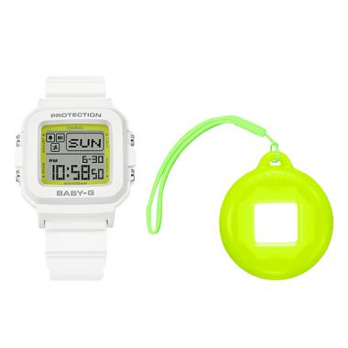 | BGD-10K-7DR | BGD-10K-7DR | EAN: 4549526374890 | $ 85.20
 | BGD-10L-2DR | BGD-10L-2DR | EAN: 4549526392368 | $ 85.20
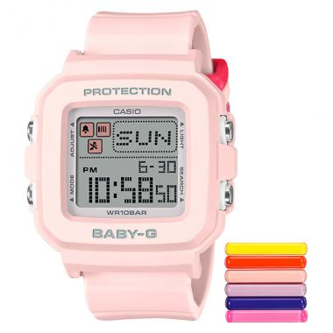 | BGD-10L-4DR | BGD-10L-4DR | EAN: 4549526392412 | $ 85.20
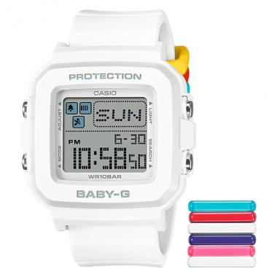 | BGD-10L-7DR | BGD-10L-7DR | EAN: 4549526392467 | $ 85.20
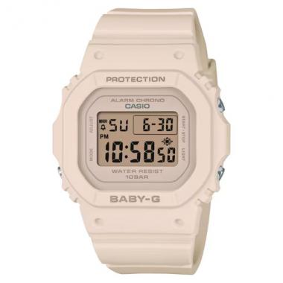 | BGD-565U-4DR | BGD-565U-4DR | EAN: 4549526362477 | $ 103.65

