Worksheet
 | Código | Nombre |  | Precio | Su Pedido
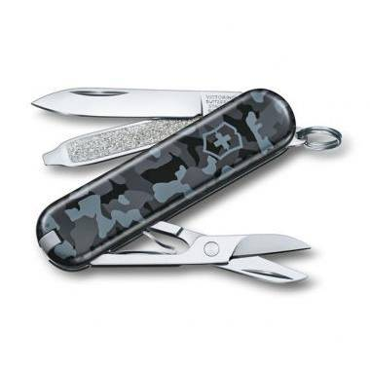 | 0.6223.942 | 0.6223.942 | EAN: 7611160063199 | $ 30.33
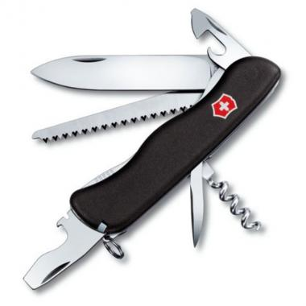 | 0.8363.3 | 0.8363.3 | EAN: 7611160012128 | $ 52.23
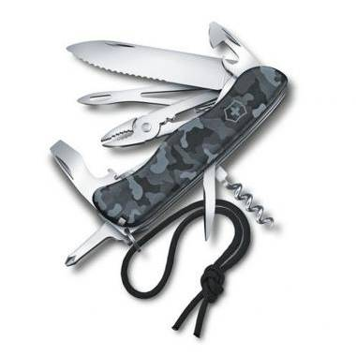 | 0.8593.W942 | 0.8593.W942 | EAN: 7611160063205 | $ 87.15
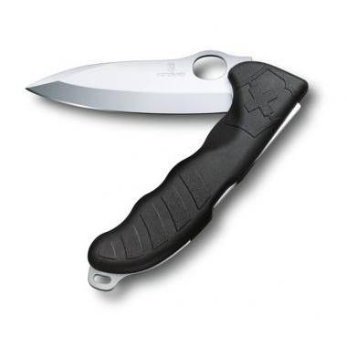 | 0.9411.M3 | 0.9411.M3 | EAN: 7611160063922 | $ 98.81
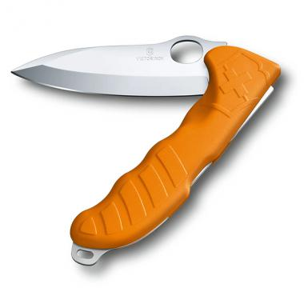 | 0.9411.M9 | 0.9411.M9 | EAN: 7611160063939 | $ 98.81
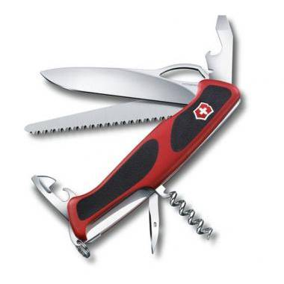 | 0.9563.MC | 0.9563.MC |  | $ 72.74
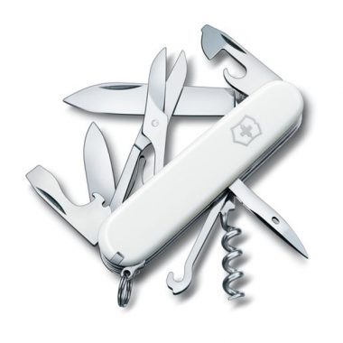 | 1.3703.7 | 1.3703.7 | EAN: 7611160100221 | $ 32.97
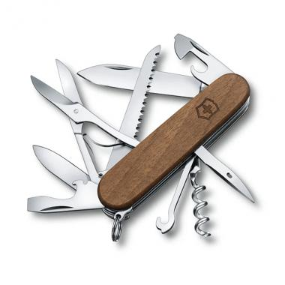 | 1.3711.63 | 1.3711.63 | EAN: 7611160060631 | $ 58.77
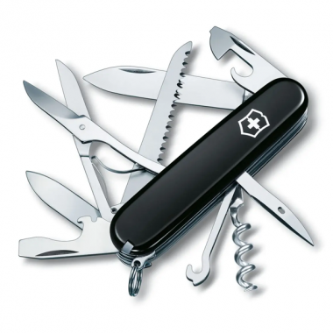 | 1.3713.3 | 1.3713.3 | EAN: 7611160012128 | $ 37.26
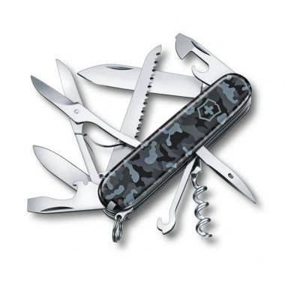 | 1.3713.942 | 1.3713.942 | EAN: 7611160063182 | $ 44.56
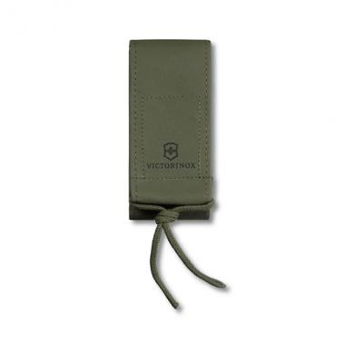 | 4.0822.4 | 4.0822.4 | EAN: 7611160018724 | $ 17.47
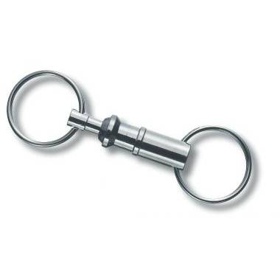 | 4.1835 | Acoplamiento Plateado | EAN: 7611160401793 | $ 4.22
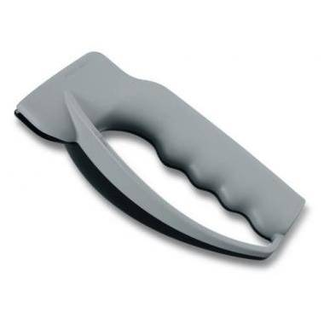 | 7.8715 | Afilador Blanco | EAN: 7611160706003 | $ 24.42
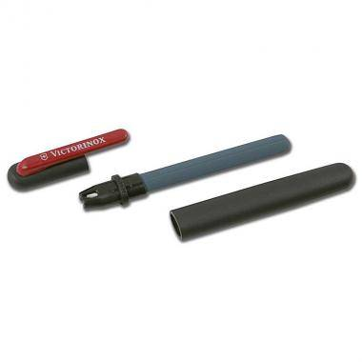 | 4.3323 | Afilador Dual | EAN: 7611160705129 | $ 13.37
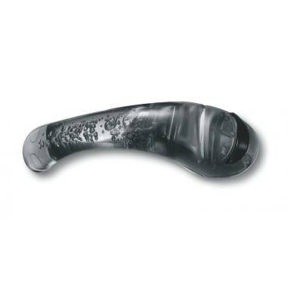 | 7.8721.3 | Afilador Negro | EAN: 77126354895623 | $ 35.61
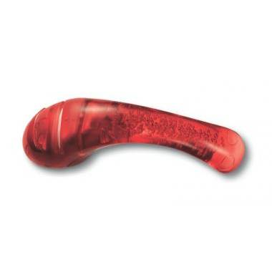 | 7.8721 | Afilador Rojo | EAN: 71123659874589 | $ 35.61
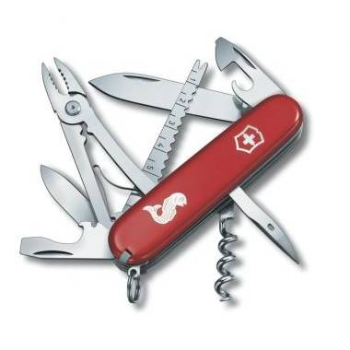 | 1.3653.72 | Angler | EAN: 7611160104908 | $ 49.44
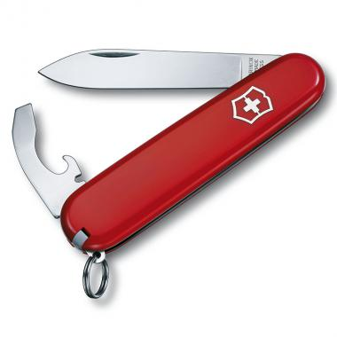 | 0.2303 | Bantam | EAN: 7611160009777 | $ 14.16
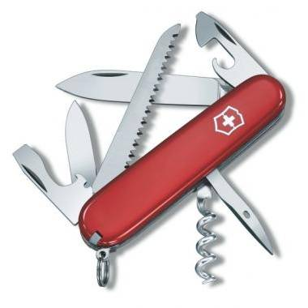 | 1.3613 | Camper | EAN: 7611160100146 | $ 25.05
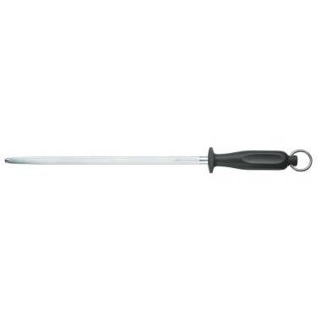 | 7.8513 | Chaira de carnicero | EAN: 7112365985325 | $ 27.60
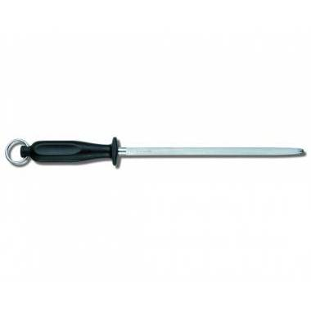 | 7.8303 | Chaira de Cocina | EAN: 7611160704290 | $ 22.06
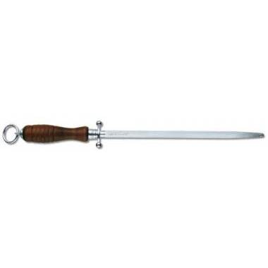 | 7.833 | Chaira de cocina | EAN: 7611160704313 | $ 28.84
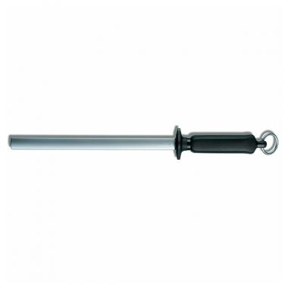 | 7.8323 | Chaira de Diamantes | EAN: 7611160705044 | $ 56.08
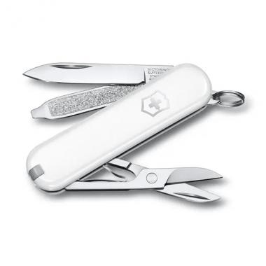 | 0.6223.7G | Classic | EAN: 7611160000835 | $ 21.70
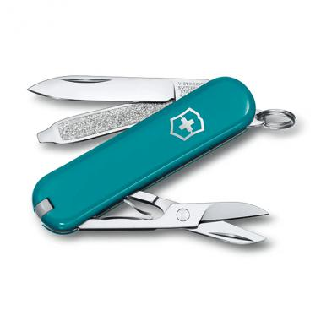 | 0.6223.23G | Classic | EAN: 7613329118856 | $ 21.70
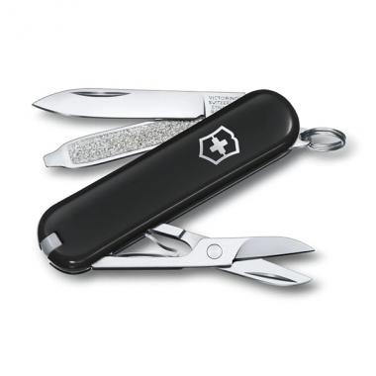 | 0.6223.3G | Classic | EAN: 7611160000798 | $ 21.70
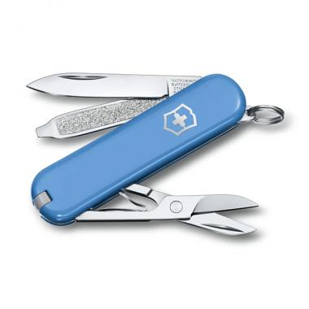 | 0.6223.28G | Classic | EAN: 7613329118887 | $ 21.70
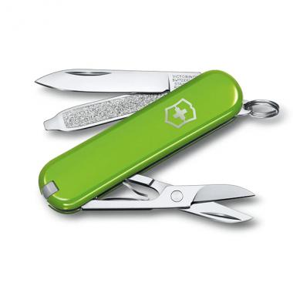 | 0.6223.43G | Classic | EAN: 7613329118825 | $ 21.70
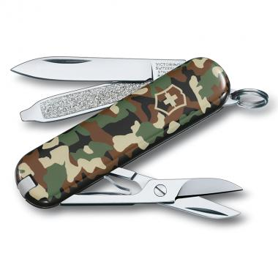 | 0.6223.94 | Classic | EAN: 7611160004949 | $ 30.33
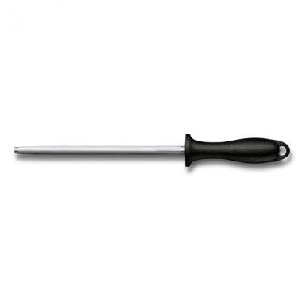 | 7.8014 | Classic Honing Steel | EAN: 7611160251206 | $ 12.89
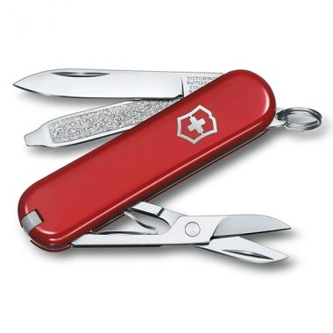 | 0.6223.G | Classic SD | EAN: 7613329143957 | $ 21.70
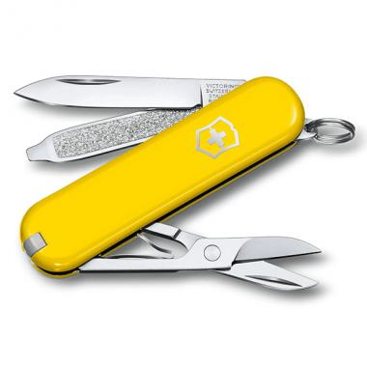 | 0.6223.8G | Classic SD | EAN: 7613329143964 | $ 21.70
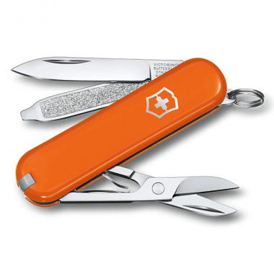 | 0.6223.83G | Classic SD | EAN: 7613329118788 | $ 21.70
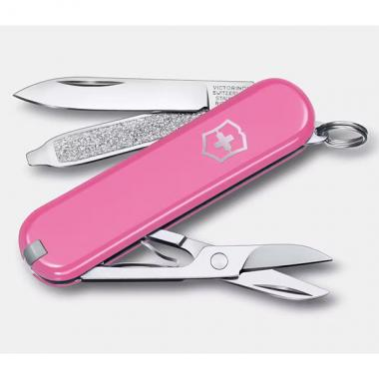 | 0.6223.51G | Classic SD Cherry Blossom | EAN: 7613329159446 | $ 21.70
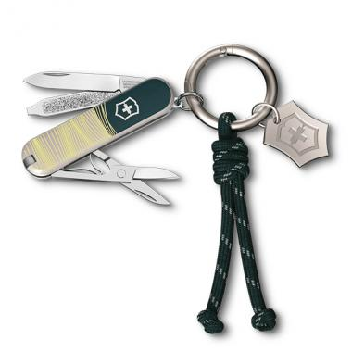 | 0.6223.E223 | Classic SD New York Style | EAN: 7613329169308 | $ 53.29
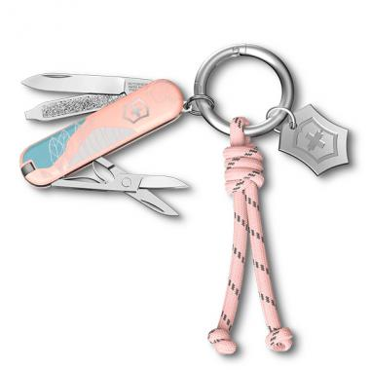 | 0.6223.E221 | Classic SD Paris Style | EAN: 7613329169285 | $ 53.29
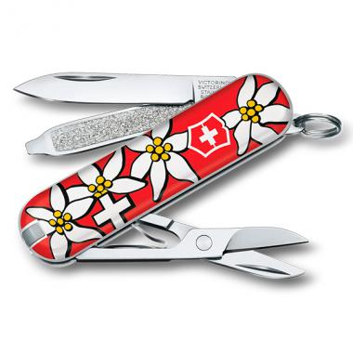 | 0.6223.840 | Classic SD Printed | EAN: 7613329119075 | $ 27.14
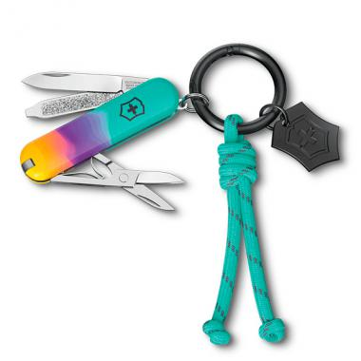 | 0.6223.E222 | Classic SD Sydney Style | EAN: 7613329169292 | $ 53.29
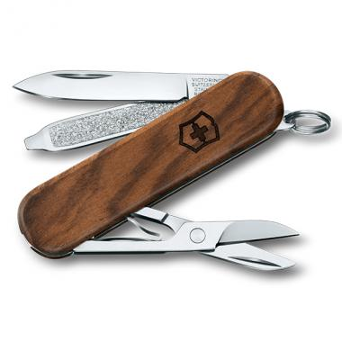 | 0.6221.63 | Classic SD Wood | EAN: 7611160089908 | $ 39.04
 | 1.3703 | Climber | EAN: 7611160100207 | $ 32.97
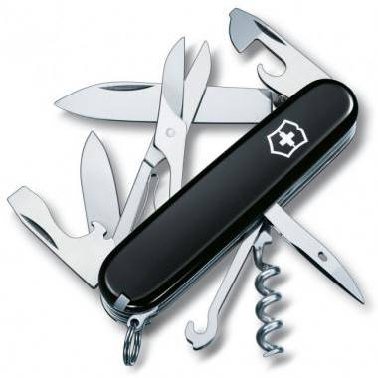 | 1.3703.3 | Climber | EAN: 7611160100214 | $ 32.97
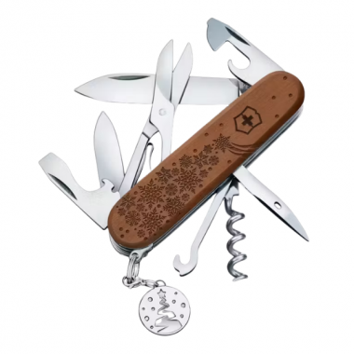 | 1.3701.63E1 | Climber Wood Winter Magic edición limitada 2025 |  | $ 64.59
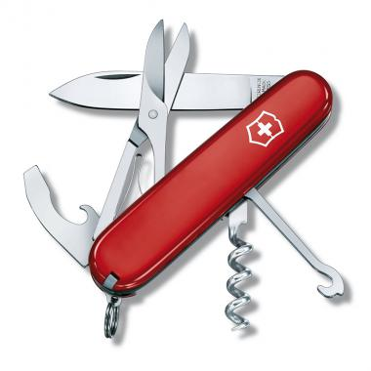 | 1.3405 | Compact | EAN: 7611160100016 | $ 40.97
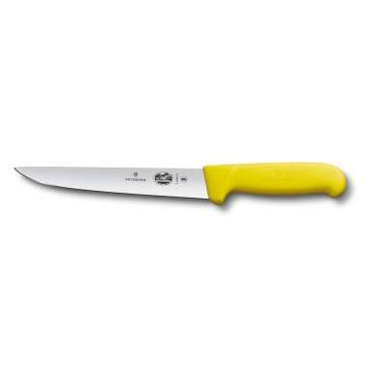 | 5.5508.22 | Cuchillo deshuesadores | EAN: 7611160500532 | $ 36.32
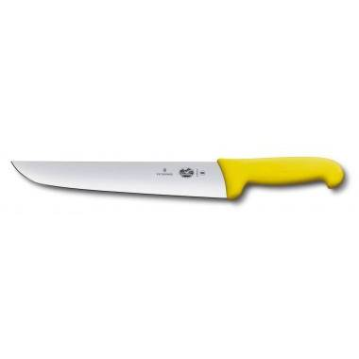 | 5.5208.18 | Cuchillo para carniceros | EAN: 7611160500527 | $ 34.13
 | 5.5208.26 | Cuchillo para carniceros | EAN: 7611160500529 | $ 45.41
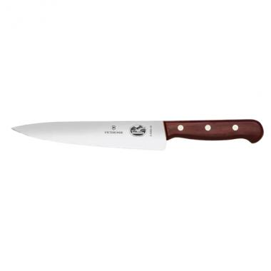 | 5.2000.19 | Cuchillo para chef de madera | EAN: 7612446501244 | $ 53.94
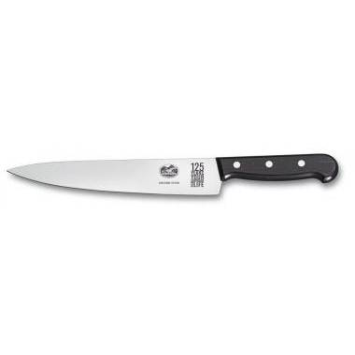 | 5.2000.25 | Cuchillo para chef de madera | EAN: 7611160501264 | $ 74.89
 | 5.2000.15 | Cuchillo para chef de madera | EAN: 7611160501233 | $ 49.93
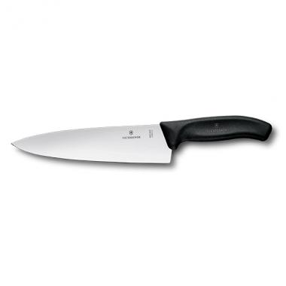 | 6.8063.20G | Cuchillo para chef Swiss Classic | EAN: 7611160037152 | $ 56.01
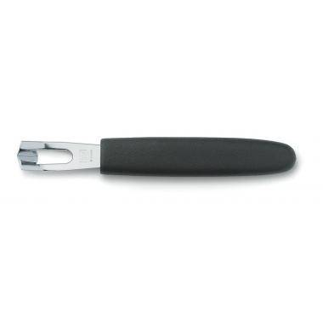 | 5.3403 | Cuchillo para decorar | EAN: 7611160502025 | $ 11.57
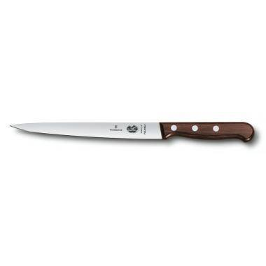 | 5.3810.18 | Cuchillo para filetear | EAN: 7611160507044 | $ 41.17
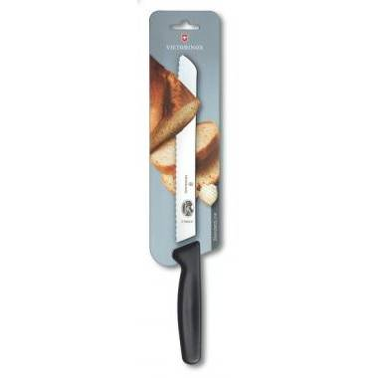 | 5.1633.21B | Cuchillo para pan | EAN: 7611160591067 | $ 27.76
 | 6.7836.L118B | Cuchillo para tomate y salchicha mango amarillo | EAN: 7612446032519 | $ 16.54
 | 6.7836.L115B | Cuchillo para tomate y salchicha mango fucsia | EAN: 7612446032502 | $ 16.54
 | 5.1803.15B | Cuchillo para trinchar | EAN: 7611160591135 | $ 22.52
 | 6.7706.L118 | Cuchillo para verdura mango amarillo | EAN: 7612446032397 | $ 7.50
 | 6.7636.L118 | Cuchillo para verdura mango amarillo | EAN: 7612446032243 | $ 5.12
 | 6.7636.L118B | Cuchillo para verdura mango amarillo | EAN: 7612446032434 | $ 12.84
 | 6.7636.L115B | Cuchillo para verdura mango fucsia | EAN: 7612446032427 | $ 12.84
 | 6.7706.L115 | Cuchillo para verdura mango fucsia | EAN: 7612446032380 | $ 7.50
 | 6.7606.L115B | Cuchillo para verdura mango fucsia | EAN: 7612446032465 | $ 12.84
 | 6.7636.L119 | Cuchillo para verdura mango naranja | EAN: 7612446032328 | $ 5.12
 | 6.7636.L119B | Cuchillo para verdura mango naranja | EAN: 7612446032441 | $ 12.84
 | 1.7725.T | CyberTool 34 | EAN: 7611160105813 | $ 103.77
 | 1.4723 | Deluxe Tinker | EAN: 7611160101129 | $ 50.87
 | 7.6912 | Destapador Rojo | EAN: 7611160705198 | $ 5.20
 | 4.0504.3 | Estuche Negro | EAN: 7611160048158 | $ 20.71
 | 4.0481.3 | Estuche Negro |  | $ 25.00
 | 4.0543 | Estuche para cinturón Marrón | EAN: 7611160004239 | $ 19.95
 | 4.0545 | Estuche para cinturón Marrón | EAN: 7611160405296 | $ 20.29
 | 4.0548 | Estuche para cinturón Marrón | EAN: 7611160405326 | $ 20.06
 | 4.0543.3 | Estuche para cinturón Negro | EAN: 7611160415189 | $ 15.76
 | 4.0524.3 | Estuche para cinturón Negro | EAN: 7611160406088 | $ 17.83
 | 4.0545.3 | Estuche para cinturón Negro | EAN: 7611160405296 | $ 15.76
 | 4.0548.3 | Estuche para cinturón Negro | EAN: 7611160405326 | $ 16.09
 | 4.0521.3 | Estuche para cinturón Negro | EAN: 7611160400888 | $ 18.31
 | 4.0520.3 | Estuche para cinturón Negro | EAN: 7611160400857 | $ 17.37
 | 4.0823.N | Estuche para cinturón Negro | EAN: 7712359452369 | $ 14.72
 | 4.0851 | Estuche para cinturón Rojo | EAN: 77123659845698 | $ 16.40
 | 4.0520.1 | Estuche para cinturón Rojo | EAN: 7611160400840 | $ 15.38
 | 4.0521.1 | Estuche para cinturón Rojo | EAN: 7611160400871 | $ 17.44
 | 9.7031.48 | Estuche para cuchillos Negro | EAN: 7611160902405 | $ 90.42
 | 1.6703 | Explorer | EAN: 7611160100542 | $ 48.45
 | 1.4713 | Fieldmaster | EAN: 7611160100450 | $ 38.85
 | 1.4733.72 | Fisherman | EAN: 7611160100467 | $ 45.90
 | 0.8363 | FORESTER | EAN: 7611160058386 | $ 52.23
 | 0.8361.MC | Forester M Grip | EAN: 7611160058379 | $ 55.29
 | 0.8361.63 | Forester Wood | EAN: 7611160059017 | $ 67.30
 | 7.9030.M | Guantes alta resistencia | EAN: 7611160705389 | $ 42.32
 | 7.9030.L | Guantes alta resistencia | EAN: 7611160705396 | $ 43.87
 | 7.9030.S | Guantes alta resistencia | EAN: 7611160705372 | $ 40.75
 | 5.4003.18 | Hachuela de cocina | EAN: 7611160502223 | $ 59.03
 | 1.3773 | Handyman | EAN: 7611160100382 | $ 69.07
 | 1.4613 | Hiker | EAN: 7611160100412 | $ 24.76
 | 0.8341.MC9 | Hunter XT Grip | EAN: 7611160038166 | $ 70.23
 | 1.3713.7 | Huntsman | EAN: 7611160100306 | $ 37.26
 | 1.3713 | Huntsman | EAN: 7611160100276 | $ 37.26
 | 1.3713.94 | Huntsman | EAN: 7611160104267 | $ 43.87
 | 1.3713.941 | Huntsman Desert Camouflage | EAN: 7611160055019 | $ 47.42
 | 1.3713.T7 | Huntsman SilverTech | EAN: 7611160015310 | $ 35.47
 | 1.3714.E15 | Huntsman, año del caballo 2026 |  | $ 74.22
 | 0.6263 | JETSETTER | EAN: 7611160040152 | $ 18.31
 | 6.7131.2G | Juego para trinchar Swiss Classic, 2 piezas | EAN: 7613329096031 | $ 70.60
 | 4.1853 | Llavero multi clip para cinturón Negro | EAN: 7611160401823 | $ 6.27
 | 4.1858 | Llavero multi clip para cinturón Plateado | EAN: 7611160402974 | $ 9.50
 | 4.1859 | Llavero multi clip para cinturón Plateado | EAN: 7612446406396 | $ 10.64
 | 4.186 | Llavero multiclip con dos cadenas | | EAN: 7611160416247 | $ 15.44
 | 1.3743 | Mountauneer | EAN: 7611160100344 | $ 41.94
 | 0.6463.7 | Nail Clip 580 blanco | EAN: 7612446044406 | $ 43.67
 | 0.6463.94 | Nail Clip 580 camuflado | EAN: 7612446044413 | $ 48.65
 | 0.6463.3 | Nail Clip 580 negro | EAN: 7612446044390 | $ 43.67
 | 0.6463 | Nail Clip 580 rojo | EAN: 7612446044352 | $ 43.67
 | 0.8353.3 | Nomad | EAN: 7611160012135 | $ 41.79
 | 0.8513.3 | Outrider | EAN: 7611160058454 | $ 67.85
 | 0.8513 | OUTRIDER | EAN: 7611160058430 | $ 67.85
 | 5.0103 | Pelador de papas de un solo filo | EAN: 7611160500038 | $ 6.87
 | 6.0912 | Pelador STAR, corte recto | EAN: 7611160207425 | $ 6.34
 | 0.8353 | PICKNICKER | EAN: 7611160058157 | $ 42.92
 | 1.3763 | Ranger | EAN: 7611160104748 | $ 56.45
 | 0.9713.C | Rangergrip 71 | EAN: 7611160044600 | $ 92.89
 | 0.9723.C | Rangergrip 74 | EAN: 7611160044617 | $ 96.78
 | 0.2503 | RECRUIT | EAN: 7611160002235 | $ 19.79
 | 0.8623.MWN | RescueTool | EAN: 7611160003539 | $ 98.05
 | 7.6924 | Sacacorchos Negro |  | $ 16.42
 | 0.8413.3 | Sentinel | EAN: 7611160007186 | $ 34.61
 | 0.8413.3B1 | Sentinel | EAN: 7612446027379 | $ 34.61
 | 0.8416.M3 | Sentinel Clip | EAN: 7611160017062 | $ 35.92
 | 0.6226.T | Signature Lite Rubí | EAN: 7611160013330 | $ 32.01
 | 0.6226.T7 | Signature Lite SilverTech | EAN: 7611160007377 | $ 35.25
 | 0.8593.2W | SKIPPER | EAN: 7611160058485 | $ 85.21
 | 0.8461.MWCH | Soldados Suizos | EAN: 7611160017055 | $ 53.67
 | 1.3603.T | Spartan | EAN: 7611160105943 | $ 22.36
 | 1.3603.3 | Spartan | EAN: 7612446032547 | $ 22.36
 | 1.3603 | Spartan | EAN: 7611160100092 | $ 22.36
 | 1.3603.94 | Spartan | EAN: 7611160104250 | $ 24.03
 | 1.3603.7 | Spartan | EAN: 77124587452895 | $ 22.36
 | 1.3603.31P | Spartan Onyx Black | EAN: 7611160161697 | $ 125.53
 | 1.3603.T7 | Spartan SilverTech | EAN: 7611160015471 | $ 21.30
 | 0.3803 | SPORTSMAN | EAN: 7611160000231 | $ 23.29
 | 1.4703 | Super Tinker | EAN: 7611160100443 | $ 32.97
 | 0.7100.E223 | Swiss Card Classic New York Style | EAN: 7613329169360 | $ 80.96
 | 0.7100.E221 | Swiss Card Classic Paris Style | EAN: 7613329169346 | $ 80.96
 | 0.7100.E222 | Swiss Card Classic Sydney Style | EAN: 7613329169353 | $ 80.96
 | 0.7240.T | Swiss Card Nailcare | EAN: 7611160050595 | $ 48.18
 | 0.7133.T3 | SwissCard Ónix | EAN: 7611160013637 | $ 31.34
 | 1.6795.3 | SwissChamp | EAN: 7611160100641 | $ 94.13
 | 1.6795 | SwissChamp | EAN: 7611160100634 | $ 94.13
 | 5.2303.18 | Tenedor para carne | EAN: 7611160504784 | $ 55.63
 | 1.4603 | Tinker | EAN: 7611160100399 | $ 21.12
 | 0.8463 | TRAILMASTER | EAN: 7611160058409 | $ 51.22
 | 0.8463.MW3 | Trailmaster | EAN: 7611160017056 | $ 50.63
 | 6.7133.2G | VICTORINOX | EAN: 7611160058508 | $ 70.70
 | 0.8573 | VICTORINOX | EAN: 7611160058393 | $ 53.59
 | 1.3703.94 | VICTORINOX | EAN: 7611160056313 | $ 40.06
 | 0.8583 | VICTORINOX | EAN: 7611160058928 | $ 50.08
 | 0.3303 | Waiter | EAN: 7611160000064 | $ 15.90
 | 1.3601.63 | Wine Master Wood | EAN: 7611160060662 | $ 42.41

