Worksheet
 | Código | Nombre |  | Precio | Stock | Su Pedido
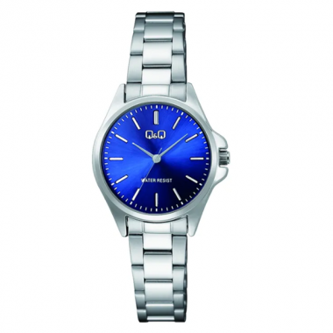 | C37A-004PY | C37A-004PY |  | $ 17.58 | 1
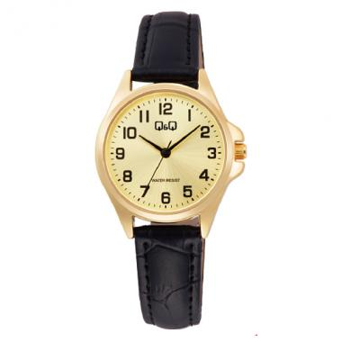 | C37A-011PY | C37A-011PY | EAN: 4966006886313 | $ 15.28 | 18
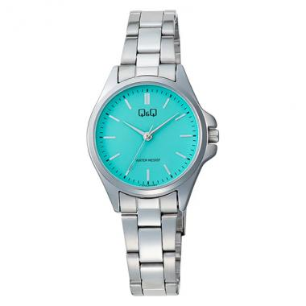 | C37A-021PY | C37A-021PY |  | $ 18.01 | 18
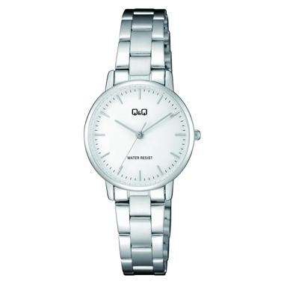 | C65A-005PY | C65A-005PY |  | $ 18.01 | 19
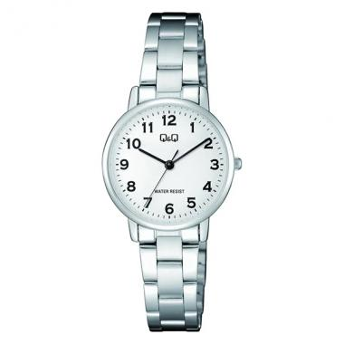 | C65A-006PY | C65A-006PY | EAN: 4966006888942 | $ 18.01 | 8
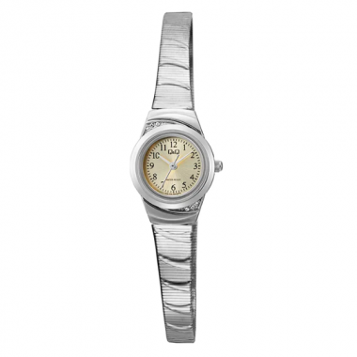 | C67A-002PY | C67A-002PY |  | $ 21.26 | 4
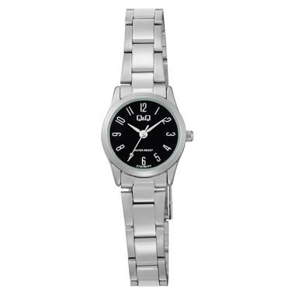 | C75A-001PY | C75A-001PY |  | $ 18.96 | 22
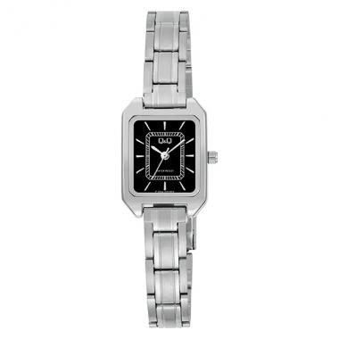 | C76A-002PY | C76A-002PY |  | $ 18.96 | 45
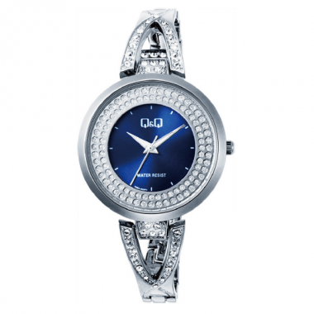 | F03A-003PY | F03A-003PY | EAN: 4966006881080 | $ 28.25 | 17
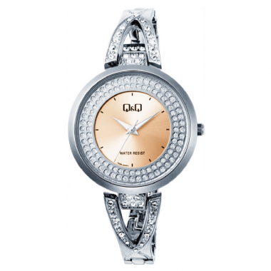 | F03A-004PY | F03A-004PY | EAN: 4966006881097 | $ 28.25 | 17
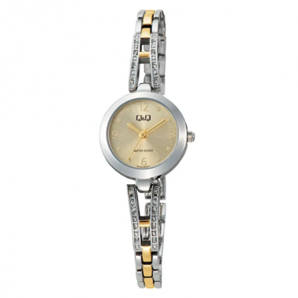 | F07A-003PY | F07A-003PY |  | $ 29.86 | 9
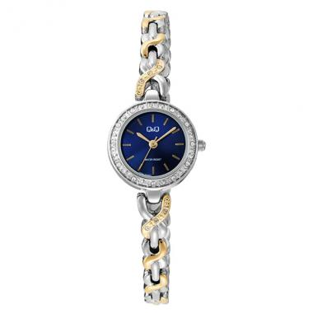 | F08A-003PY | F08A-003PY |  | $ 28.87 | 26
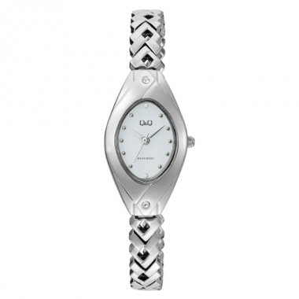 | F09A-001PY | F09A-001PY |  | $ 24.77 | 21
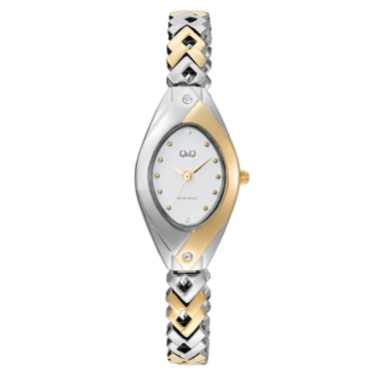 | F09A-002PY | F09A-002PY |  | $ 29.00 | 30
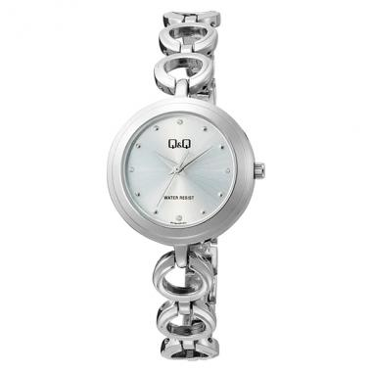 | F11A-001PY | F11A-001PY |  | $ 24.73 | 14
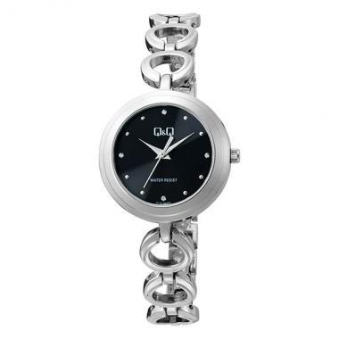 | F11A-002PY | F11A-002PY |  | $ 24.73 | 16
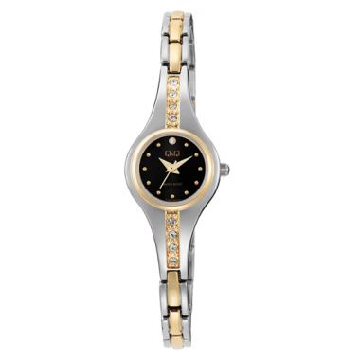 | F13A-004PY | F13A-004PY |  | $ 28.38 | 7
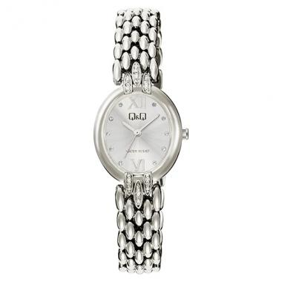 | F16A-001PY | F16A-001PY |  | $ 27.33 | 8
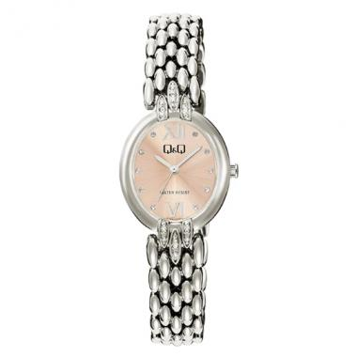 | F16A-003PY | F16A-003PY |  | $ 27.33 | 10
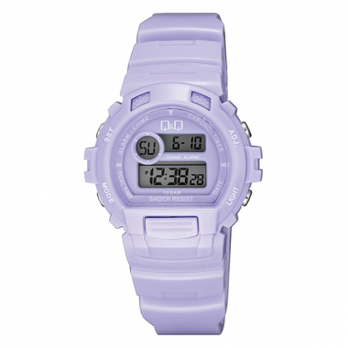 | G14A-004VY | G14A-004VY | EAN: 4966006879537 | $ 19.69 | 3
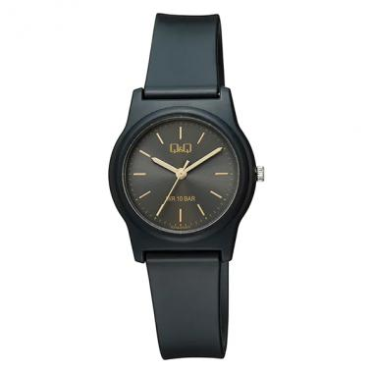 | G23A-010VY | G23A-010VY |  | $ 12.58 | 4
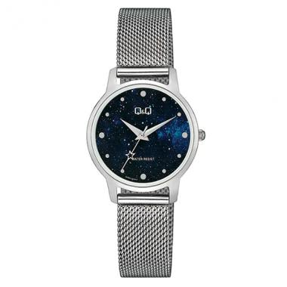 | Q48A-004PY | Q48A-004PY |  | $ 23.86 | 9
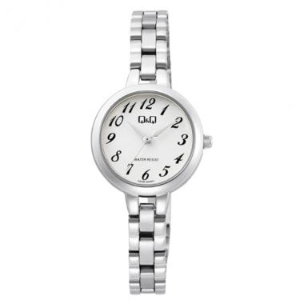 | Q55B-002PY | Q55B-002PY |  | $ 20.40 | 2
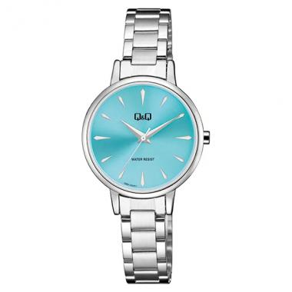 | Q56A-002PY | Q56A-002PY | EAN: 4966006865905 | $ 19.66 | 11
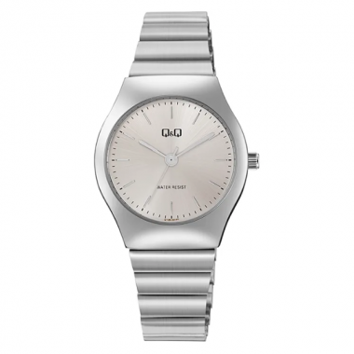 | Q72B-001PY | Q72B-001PY |  | $ 20.12 | 23
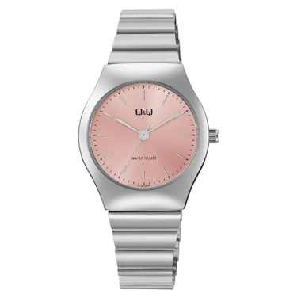 | Q72B-002PY | Q72B-002PY |  | $ 20.12 | 17
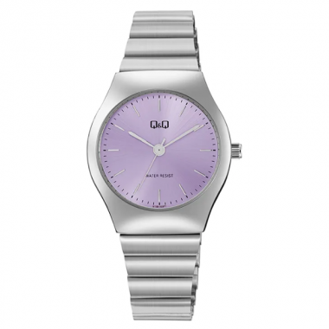 | Q72B-003PY | Q72B-003PY |  | $ 20.12 | 9
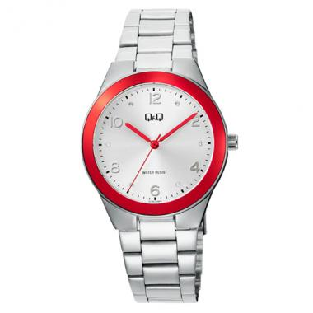 | Q78B-006PY | Q78B-006PY |  | $ 23.43 | 28
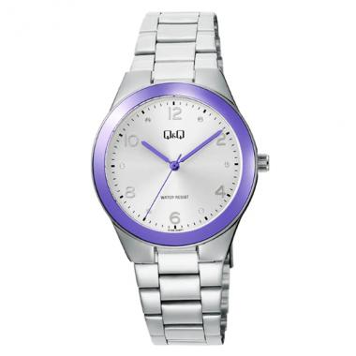 | Q78B-008PY | Q78B-008PY |  | $ 23.43 | 8
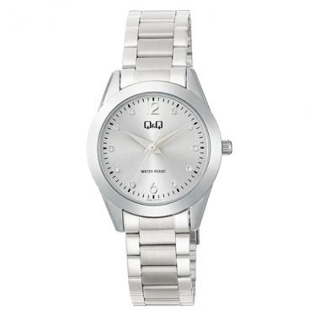 | Q82B-001PY | Q82B-001PY |  | $ 22.87 | 21
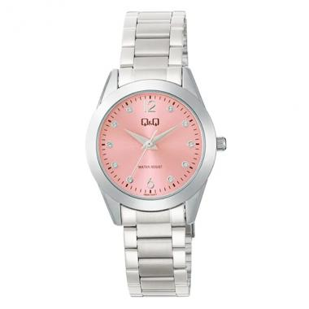 | Q82B-002PY | Q82B-002PY |  | $ 22.87 | 3
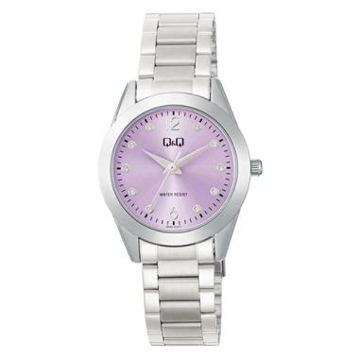 | Q82B-003PY | Q82B-003PY |  | $ 22.87 | 7
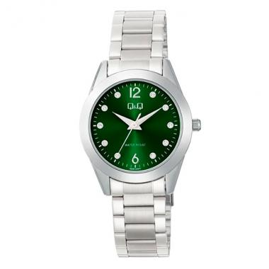 | Q82B-005PY | Q82B-005PY |  | $ 22.87 | 13
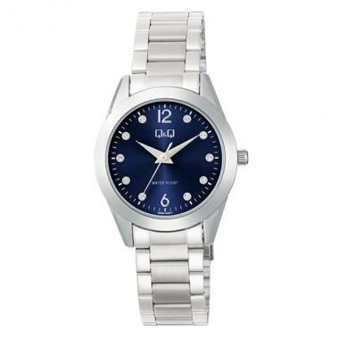 | Q82B-006PY | Q82B-006PY |  | $ 22.87 | 4
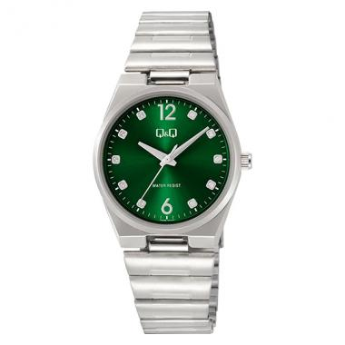 | Q84B-004PY | Q84B-004PY |  | $ 23.86 | 4
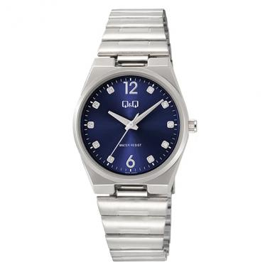 | Q84B-005PY | Q84B-005PY |  | $ 23.86 | 1
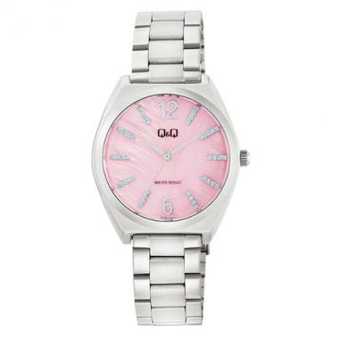 | Q90B-002PY | Q90B-002PY |  | $ 23.91 | 14
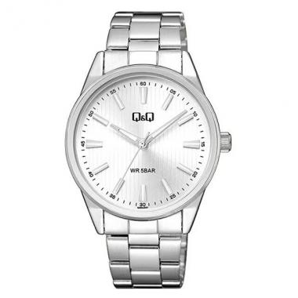 | QZ94J201Y | QZ94J201Y | EAN: 4966006861839 | $ 19.90 | 16
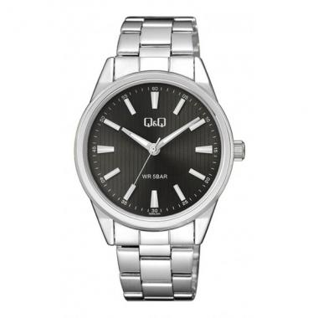 | QZ94J202Y | QZ94J202Y | EAN: 4966006861846 | $ 19.90 | 16
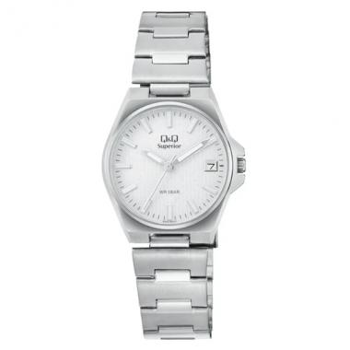 | S22A-001VY | S22A-001VY |  | $ 41.18 | 2
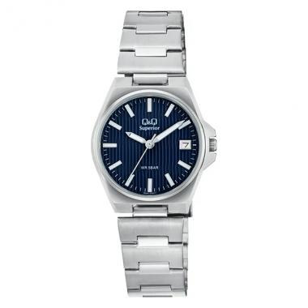 | S22A-003VY | S22A-003VY | EAN: 4966006894165 | $ 40.78 | 6
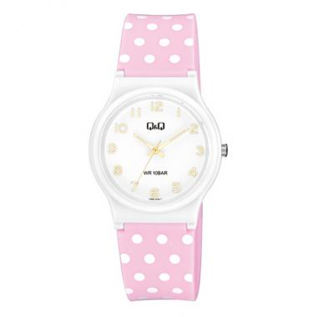 | V06A-016VY | V06A-016VY | EAN: 4966006866278 | $ 13.36 | 15
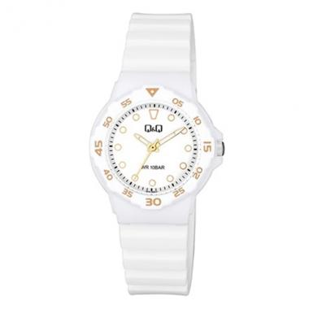 | V07A-002VY | V07A-002VY | EAN: 4966006865134 | $ 11.83 | 15
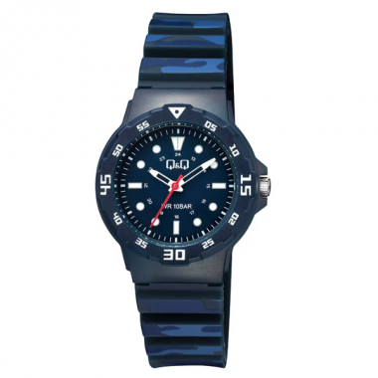 | V07A-011VY | V07A-011VY |  | $ 13.20 | 15
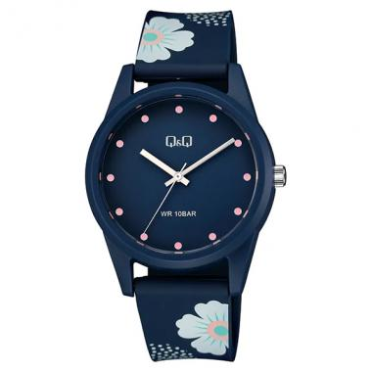 | V08A-003VY | V08A-003VY | EAN: 4966006865646 | $ 13.05 | 5
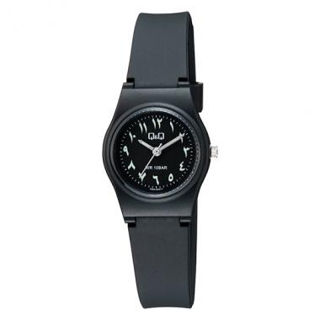 | V28A-009VY | V28A-009VY |  | $ 13.40 | 32
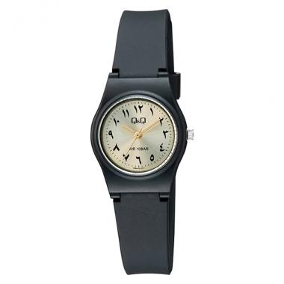 | V28A-011VY | V28A-011VY |  | $ 13.40 | 33
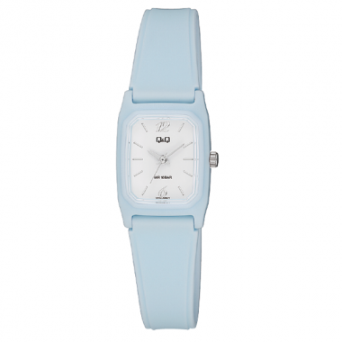 | V33A-006VY | V33A-006VY | EAN: 4966006878479 | $ 12.90 | 18
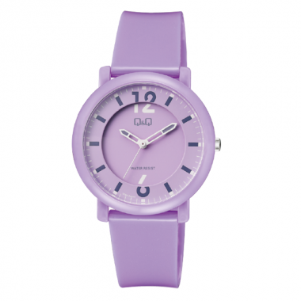 | V36A-003VY | V36A-003VY | EAN: 4966006880373 | $ 14.69 | 3
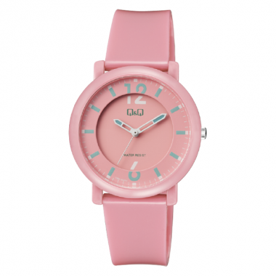 | V36A-004VY | V36A-004VY | EAN: 4966006880380 | $ 14.69 | 2
 | V39A-004VY | V39A-004VY | EAN: 4966006885118 | $ 15.07 | 8
 | V39A-005VY | V39A-005VY | EAN: 4966006885125 | $ 15.07 | 10
 | VQ87J008Y | VQ87J008Y |  | $ 9.59 | 17
 | VR28J025Y | VR28J025Y | EAN: 4966006852011 | $ 10.08 | 17
 | VR52J011Y | VR52J011Y | EAN: 4966006858723 | $ 13.82 | 3
 | VR52J017Y | VR52J017Y | EAN: 4966006858785 | $ 13.82 | 9
 | VS13J003Y | VS13J003Y |  | $ 11.29 | 45
 | VS66J001Y | VS66J001Y |  | $ 11.29 | 21
 | VS66J003Y | VS66J003Y |  | $ 11.29 | 4
 | VS66J005Y | VS66J005Y | EAN: 4966006857672 | $ 11.29 | 22
 | VS66J009Y | VS66J009Y | EAN: 4966006857719 | $ 11.29 | 5
 | A212J004Y | A212J004Y | EAN: 4966006847116 | $ 13.03 | 2
 | A212J009Y | A212J009Y |  | $ 13.03 | 1
 | A36A-001PY | A36A-001PY | EAN: 4966006891973 | $ 27.98 | 13
 | A36A-003PY | A36A-003PY | EAN: 4966006891997 | $ 27.98 | 11
 | C00A-013PY | C00A-013PY |  | $ 22.13 | 3
 | C34A-004PY | C34A-004PY |  | $ 19.05 | 2
 | C36A-003PY | C36A-003PY | EAN: 4966006886061 | $ 17.00 | 3
 | C72A-006PY | C72A-006PY |  | $ 29.20 | 8
 | G18A-001VY | G18A-001VY | EAN: 4966006885255 | $ 23.79 | 18
 | G18A-002VY | G18A-002VY |  | $ 23.79 | 21
 | G18A-003VY | G18A-003VY |  | $ 23.79 | 31
 | G18A-004VY | G18A-004VY |  | $ 24.77 | 34
 | G18A-005VY | G18A-005VY | EAN: 4966006885293 | $ 23.79 | 31
 | G18A-006VY | G18A-006VY |  | $ 21.62 | 19
 | G18A-007VY | G18A-007VY |  | $ 23.79 | 31
 | G22A-006VY | G22A-006VY |  | $ 12.58 | 9
 | G22A-007VY | G22A-007VY |  | $ 12.58 | 27
 | G22A-009VY | G22A-009VY |  | $ 12.58 | 12
 | G22A-010VY | G22A-010VY |  | $ 12.58 | 30
 | G27A-001VY | G27A-001VY | EAN: 4966006892093 | $ 25.39 | 16
 | G27A-003VY | G27A-003VY | EAN: 4966006892116 | $ 25.39 | 31
 | G27A-006VY | G27A-006VY | EAN: 4966006892147 | $ 25.39 | 29
 | G28A-001VY | G28A-001VY | EAN: 4966006892178 | $ 25.39 | 8
 | G28A-006VY | G28A-006VY | EAN: 4966006892222 | $ 25.39 | 15
 | G28A-007VY | G28A-007VY | EAN: 4966006892239 | $ 25.39 | 13
 | M124J004Y | M124J004Y | EAN: 4966006941593 | $ 21.85 | 24
 | M124J006Y | M124J006Y | EAN: 4966006830705 | $ 21.85 | 3
 | Q28B-004PY | Q28B-004PY | EAN: 4966006878004 | $ 26.00 | 10
 | Q28B-010PY | Q28B-010PY |  | $ 20.33 | 34
 | Q28B-011PY | Q28B-011PY |  | $ 20.33 | 18
 | Q50B-002PY | Q50B-002PY | EAN: 4966006881295 | $ 21.75 | 3
 | Q50B-003PY | Q50B-003PY |  | $ 28.26 | 38
 | Q50B-004PY | Q50B-004PY |  | $ 28.25 | 6
 | Q50B-005PY | Q50B-005PY |  | $ 23.21 | 12
 | Q50B-006PY | Q50B-006PY |  | $ 23.21 | 40
 | Q57B-004PY | Q57B-004PY | EAN: 4966006885217 | $ 23.40 | 13
 | Q60A-002PY | Q60A-002PY |  | $ 21.69 | 14
 | Q60A-003PY | Q60A-003PY |  | $ 21.69 | 2
 | Q70B-001PY | Q70B-001PY | EAN: 4966006893120 | $ 22.78 | 26
 | Q70B-004PY | Q70B-004PY |  | $ 20.45 | 18
 | Q70B-005PY | Q70B-005PY | EAN: 4966006893168 | $ 22.78 | 26
 | Q85B-001PY | Q85B-001PY |  | $ 24.08 | 15
 | S20A-001VY | S20A-001VY | EAN: 4966006893991 | $ 40.78 | 11
 | S20A-003VY | S20A-003VY | EAN: 4966006894011 | $ 40.78 | 18
 | S396J202Y | S396J202Y | EAN: 4966006852783 | $ 39.62 | 3
 | S398J212Y | S398J212Y | EAN: 4966006852837 | $ 28.80 | 24
 | V02A-002VY | V02A-002VY |  | $ 11.83 | 8
 | V02A-010VY | V02A-010VY | EAN: 4966006878134 | $ 13.65 | 17
 | V02A-012VY | V02A-012VY | EAN: 4966006878158 | $ 11.83 | 18
 | V02A-017VY | V02A-017VY |  | $ 13.65 | 7
 | V02A-018VY | V02A-018VY |  | $ 13.65 | 10
 | V04A-003VY | V04A-003VY | EAN: 4966006863758 | $ 12.07 | 8
 | V04A-008VY | V04A-008VY | EAN: 4966006864434 | $ 12.07 | 48
 | V06A-019VY | V06A-019VY |  | $ 13.36 | 39
 | V06A-020VY | V06A-020VY |  | $ 13.36 | 36
 | V30A-003VY | V30A-003VY | EAN: 4966006873917 | $ 12.53 | 4
 | V32A-002VY | V32A-002VY | EAN: 4966006878288 | $ 17.99 | 2
 | V40A-001VY | V40A-001VY |  | $ 23.86 | 11
 | V40A-003VY | V40A-003VY | EAN: 4966006895858 | $ 23.86 | 7
 | V50A-002VY | V50A-002VY |  | $ 18.87 | 6
 | V50A-004VY | V50A-004VY |  | $ 18.87 | 2
 | VR18J012Y | VR18J012Y | EAN: 4966006849851 | $ 10.03 | 37
 | VR18J013Y | VR18J013Y |  | $ 10.63 | 12
 | VR18J014Y | VR18J014Y | EAN: 4966006849875 | $ 10.03 | 37
 | VR35J027Y | VR35J027Y |  | $ 10.08 | 5
 | VS12J001Y | VS12J001Y |  | $ 10.47 | 9
 | VS44J001Y | VS44J001Y |  | $ 10.93 | 16
 | VS44J003Y | VS44J003Y |  | $ 10.93 | 2
 | VS44J007Y | VS44J007Y | EAN: 4966006842272 | $ 10.93 | 4
 | VS44J009Y | VS44J009Y | EAN: 4966006842296 | $ 10.93 | 2
 | VS50J009Y | VS50J009Y | EAN: 4966006852219 | $ 11.25 | 29
 | VS50J011Y | VS50J011Y | EAN: 4966006852233 | $ 11.25 | 24
 | VR52J002Y | ANALOGO C: AZUL E: AZUL WR |  | $ 12.82 | 32
 | VP34J053Y | ANALOGO C: NEGRA E: AZUL WR |  | $ 9.62 | 6
 | VP58J003Y | ANALOGO C: NEGRA E: AZUL WR |  | $ 9.68 | 18
 | VQ02J001Y | ANÁLOGO C: NEGRA E: BLANCA 10 BAR |  | $ 9.59 | 8
 | VP34J005Y | ANÁLOGO C: NEGRA E: BLANCA 10 BAR |  | $ 9.62 | 43
 | VP47J005Y | ANÁLOGO C: NEGRA E: BLANCA 10 BAR |  | $ 9.59 | 15
 | VQ02J003Y | ANÁLOGO C: NEGRA E: BLANCA 10 BAR |  | $ 9.59 | 3
 | VP46J005Y | ANALOGO C: NEGRA E: BLANCA WR |  | $ 9.59 | 16
 | VP35J002Y | ANALOGO C: NEGRA E: BLANCA WR |  | $ 9.59 | 15
 | VP35J012Y | ANALOGO C: NEGRA E: BLANCA WR |  | $ 9.59 | 16
 | VP47J008Y | ANÁLOGO C: NEGRA E: DORADA 10 BAR |  | $ 9.59 | 22
 | VP35J011Y | ANÁLOGO C: NEGRA E: DORADA 10 BAR |  | $ 9.59 | 22
 | VP34J011Y | ANÁLOGO C: NEGRA E: DORADA 10 BAR |  | $ 9.62 | 2
 | VP35J001Y | ANALOGO C: NEGRA E: DORADA WR |  | $ 9.59 | 7
 | VP34J001Y | ANALOGO C: NEGRA E: DORADA WR |  | $ 9.62 | 30
 | VP35J010Y | ANÁLOGO C: NEGRA E: NEGRA 10 BAR |  | $ 9.59 | 27
 | VQ50J004Y | ANÁLOGO C: NEGRA E: NEGRA 10 BAR |  | $ 9.59 | 15
 | VP46J003Y | ANÁLOGO C: NEGRA E: NEGRA 10 BAR |  | $ 9.59 | 29
 | VP47J004Y | ANÁLOGO C: NEGRA E: NEGRA 10 BAR |  | $ 9.59 | 14
 | VP46J011Y | ANALOGO C: NEGRA E: NEGRA WR |  | $ 9.59 | 3
 | VP58J002Y | ANALOGO C: NEGRA E: NEGRA WR |  | $ 9.68 | 24
 | VP34J010Y | ANALOGO C: NEGRA E: NEGRA WR |  | $ 9.62 | 19
 | VQ14J002Y | ANALOGO C: NEGRA E: NEGRA WR |  | $ 10.13 | 30
 | VP84J003Y | ANÁLOGO C: RESINA NEGRO E: AZUL 100M |  | $ 9.93 | 16
 | VQ87J004Y | ANÁLOGO C: RESINA NEGRO E: BLANCO 100M |  | $ 9.59 | 12
 | VP84J001Y | ANÁLOGO C: RESINA NEGRO E: BLANCO 100M |  | $ 9.93 | 7
 | VP34J061Y | ANÁLOGO C: RESINA NEGRO E: BLANCO WR |  | $ 9.62 | 14
 | VQ66J002Y | C: E: |  | $ 9.59 | 29
 | VQ66J001Y | C: E: |  | $ 9.59 | 59
 | VQ81J003Y | C: E: |  | $ 9.59 | 20
 | M146J003Y | C: E: |  | $ 18.64 | 11
 | VQ81J005Y | C: E: |  | $ 9.59 | 39
 | M146J001Y | C: E: |  | $ 18.64 | 7
 | VP34J002Y | C: E: |  | $ 9.62 | 24
 | M124J001Y | C: E: |  | $ 21.85 | 8
 | M010J002Y | C: E: |  | $ 23.72 | 21
 | VP84J002Y | CABALLERO ANALOGO C: RESINA NEGRO E: NEGRO 100m | EAN: 4966006362169 | $ 9.93 | 22
 | M124J003Y | CABALLERO DIGITAL C: RESINA VERDE E: DIGITAL 10m | EAN: 4966006941593 | $ 21.85 | 12
 | VQ03J001Y | DAMA ANALOGO C: RESINA NEGRO E: BLANCO 100m | EAN: 4966006375305 | $ 9.59 | 12
 | VQ03J004Y | DAMA ANALOGO C: RESINA NEGRO E: NEGRO 100m | EAN: 4966006375336 | $ 9.59 | 19
 | VR19J001Y | DAMA ANALOGO C: RESINA NEGRO E: NEGRO 100m | EAN: 4966006969733 | $ 10.24 | 13
 | M102J001Y | DIGITAL C: NEGRA E: BLANCA WR |  | $ 19.46 | 39
 | M075J004Y | DIGITAL C: NEGRA E: NEGRA 10 BAR |  | $ 18.64 | 29
 | HS45J003Y | DIGITAL C: NEGRA E: NEGRA Y ROJA 5 BAR |  | $ 15.54 | 11
 | M102J003Y | DIGITAL C: RESINA NEGRO E: NEGRO 100M |  | $ 19.46 | 13
 | M010J001Y | DIGITAL C: RESINA NEGRO E: NEGRO 100M |  | $ 23.72 | 5
 | M119J001Y | M119J001Y | EAN: 4966006922042 | $ 18.58 | 7
 | M158J003Y | M158J003Y |  | $ 13.21 | 2
 | VP47J035Y | VP47J035Y | EAN: 4966006826029 | $ 9.84 | 10
 | VP47J036Y | VP47J036Y | EAN: 4966006826036 | $ 9.84 | 18
 | VQ04J003Y | VQ04J003Y | EAN: 4966006377354 | $ 9.59 | 3
 | VQ04J004Y | VQ04J004Y | EAN: 4966006377361 | $ 9.59 | 4
 | VQ50J024Y | VQ50J024Y | EAN: 4966006810660 | $ 9.59 | 4
 | VQ66J004Y | VQ66J004Y | EAN: 4966006642148 | $ 9.59 | 21
 | VQ66J005Y | VQ66J005Y | EAN: 4966006642155 | $ 9.59 | 24
 | VQ66J024Y | VQ66J024Y | EAN: 4966006818543 | $ 9.81 | 22
 | VQ87J011Y | VQ87J011Y |  | $ 9.59 | 3
 | VR18J002Y | VR18J002Y | EAN: 4966006969702 | $ 10.24 | 29
 | VR18J003Y | VR18J003Y | EAN: 4966006969719 | $ 10.24 | 14
 | VR18J005Y | VR18J005Y | EAN: 4966006818574 | $ 10.24 | 29
 | VR18J006Y | VR18J006Y | EAN: 4966006818581 | $ 10.24 | 8
 | VR72J004Y | VR72J004Y | EAN: 4966006810325 | $ 9.74 | 10
 | VS12J006Y | VS12J006Y |  | $ 10.47 | 36
 | VS12J012Y | VS12J012Y | EAN: 4966006829907 | $ 10.49 | 30
 | A212J001Y | A212J001Y | EAN: 496600684708 6 | $ 13.03 | 28
 | HS43J001Y | HS43J001Y |  | $ 13.18 | 2
 | M207J001Y | M207J001Y | EAN: 4966006860672 | $ 14.45 | 17
 | M207J007Y | M207J007Y | EAN: 4966006860733 | $ 14.45 | 5
 | M207J009Y | M207J009Y | EAN: 4966006860719 | $ 14.45 | 11
 | VR28J026Y | VR28J026Y | EAN: 4966006852028 | $ 10.08 | 15
 | VR28J027Y | VR28J027Y | EAN: 4966006852035 | $ 10.08 | 15
 | VR72J011Y | VR72J011Y | EAN: 496600681039 4 | $ 10.47 | 21
 | VS42J002Y | VS42J002Y |  | $ 10.85 | 3
 | V33A-005VY | V33A-005VY | EAN: 4966006878462 | $ 12.90 | 17
 | VP47J038Y | VP47J038Y | EAN: 4966006826050 | $ 9.84 | 7
 | VS60J002Y | Q&Q | EAN: 12.81 | $ 13.58 | 1
 | VS42J001Y | Q&Q | EAN: 10.31 | $ 10.93 | 28
 | VR35J028Y | Q&Q | EAN: 8.49 | $ 10.08 | 4
 | V02A-005VY | Q&Q | EAN: 11.16 | $ 11.83 | 17
 | V33A-001VY | V33A-001VY | EAN: 4966006878424 | $ 12.90 | 2
 | V33A-004VY | V33A-004VY | EAN: 4966006878455 | $ 12.90 | 47

