Worksheet
 | Código | Nombre |  | Precio | Stock | Su Pedido
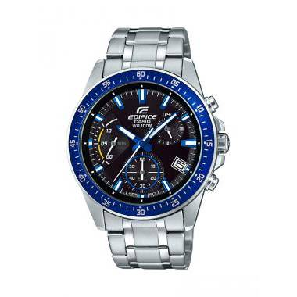 | EFV-540D-1A2VUDF | ANÁLOGO C: ACERO INOXIDABLE PLATEADO E: NEGRO Y AZUL 100m | EAN: 4549526167614 | $ 130.34 | 6
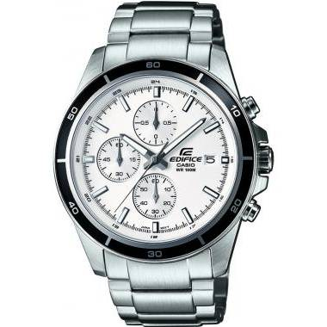 | EFR-526D-7AVUDF | CABALLERO ANÁLOGO C: ACERO INOXIDABLE PLATEADA E: BLANCA 100 m |  | $ 134.25 | 12
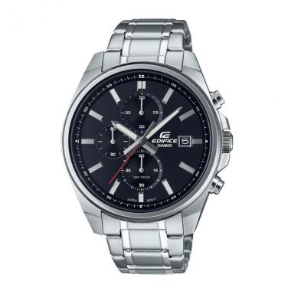 | EFV-610D-1AVUDF | EFV-610D-1AVUDF | EAN: 4549526297427 | $ 139.18 | 4
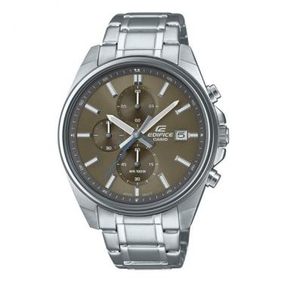 | EFV-610D-5CVUDF | EFV-610D-5CVUDF | EAN: 4549526342363 | $ 139.18 | 3
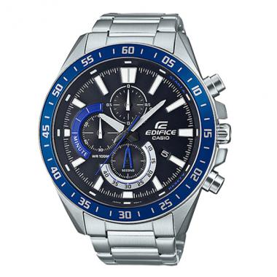 | EFV-620D-1A2VUDF | EFV-620D-1A2VUDF | EAN: 4549526312229 | $ 139.19 | 3
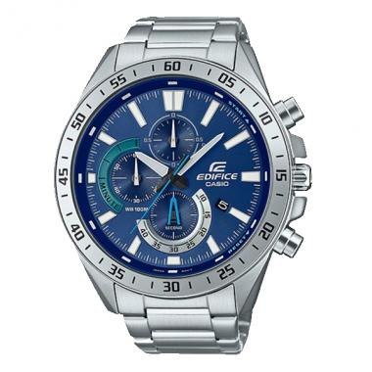 | EFV-620D-2AVUDF | EFV-620D-2AVUDF | EAN: 4549526312267 | $ 139.19 | 2
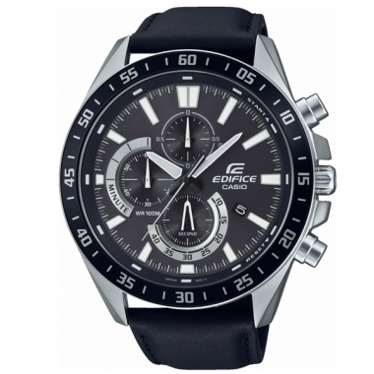 | EFV-620L-1AVUDF | EFV-620L-1AVUDF | EAN: 4549526317606 | $ 139.18 | 2
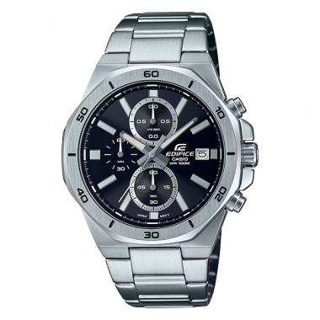 | EFV-640D-1AVUDF | EFV-640D-1AVUDF | EAN: 4549526354434 | $ 139.18 | 6
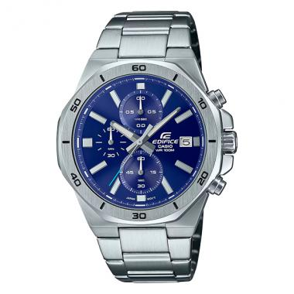 | EFV-640D-2AVUDF | EFV-640D-2AVUDF | EAN: 4549526354458 | $ 139.18 | 4
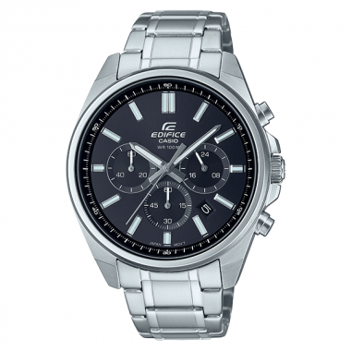 | EFV-650D-1AVUDF | EFV-650D-1AVUDF | EAN: 4549526364068 | $ 139.19 | 5
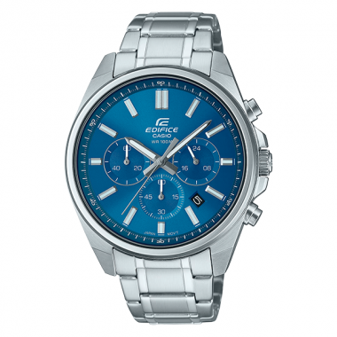 | EFV-650D-2AVUDF | EFV-650D-2AVUDF | EAN: 4549526364082 | $ 139.19 | 1
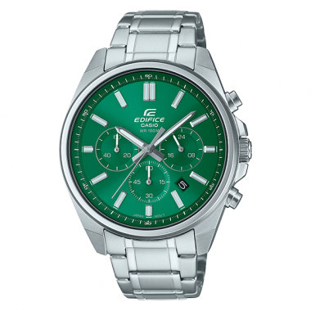 | EFV-650D-3AVUDF | EFV-650D-3AVUDF | EAN: 4549526364105 | $ 139.19 | 1
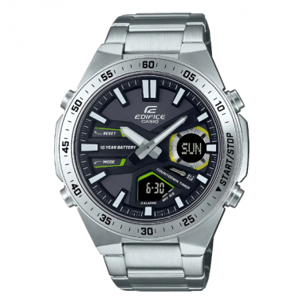 | EFV-C110D-1A3VDF | EFV-C110D-1A3VDF | EAN: 4549526328428 | $ 139.18 | 7
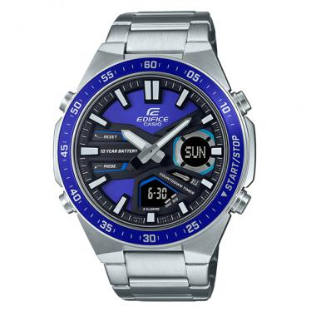 | EFV-C110D-2AVDF | EFV-C110D-2AVDF | EAN: 4549526328466 | $ 139.18 | 13
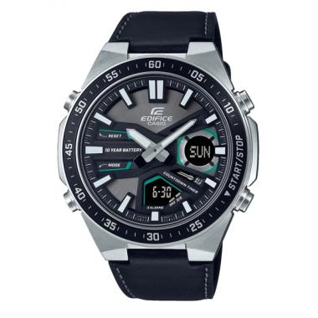 | EFV-C110L-1AVDF | EFV-C110L-1AVDF | EAN: 4549526328480 | $ 139.18 | 1
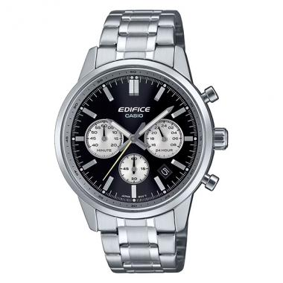 | EFR-575D-1ADF | EFR-575D-1ADF | EAN: 4549526398988 | $ 184.31 | 3
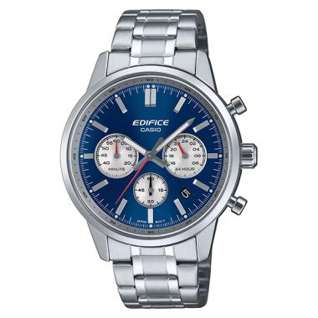 | EFR-575D-2ADF | EFR-575D-2ADF | EAN: 4549526399008 | $ 184.31 | 8
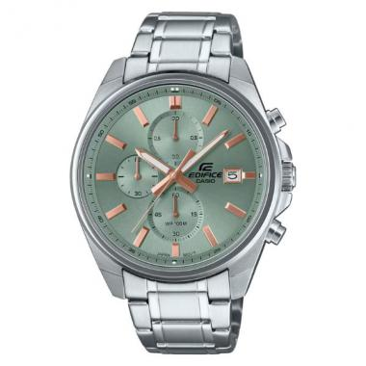 | EFV-610DE-3AUDF | EFV-610DE-3AUDF | EAN: 4549526406003 | $ 140.74 | 3
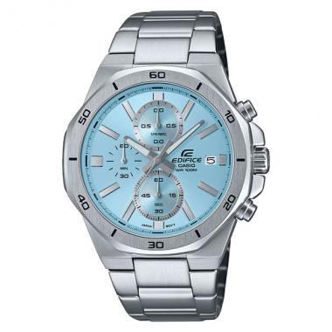 | EFV-640D-2BVUDF | EFV-640D-2BVUDF | EAN: 4549526390470 | $ 139.19 | 9
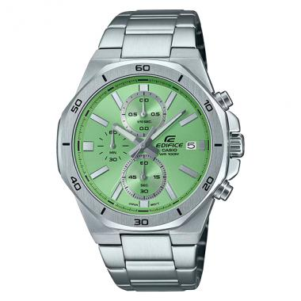 | EFV-640D-3AVUDF | EFV-640D-3AVUDF | EAN: 4549526390494 | $ 139.19 | 9
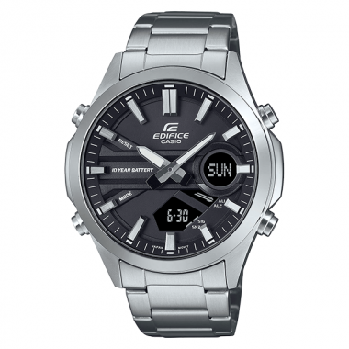 | EFV-C120D-1ADF | EFV-C120D-1ADF | EAN: 4549526375170 | $ 135.13 | 2
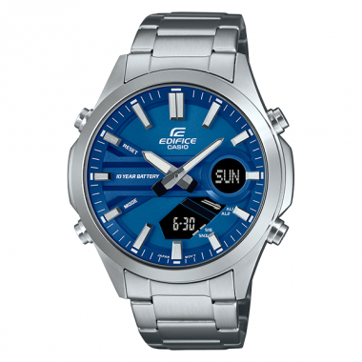 | EFV-C120D-2ADF | EFV-C120D-2ADF | EAN: 4549526375194 | $ 135.13 | 4
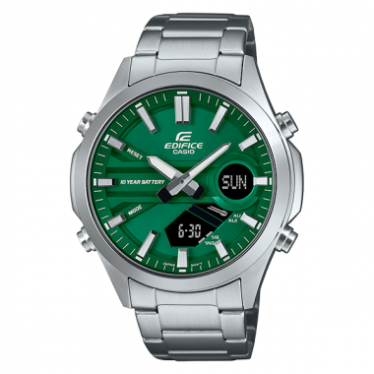 | EFV-C120D-3ADF | EFV-C120D-3ADF | EAN: 4549526375217 | $ 135.13 | 1
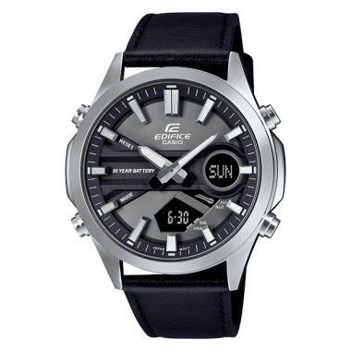 | EFV-C120L-8ADF | EFV-C120L-8ADF | EAN: 4549526375231 | $ 135.13 | 5

